Male data
UserID0 | Channel2 | RecordDate2 | SA_Time | Gender | Race | Age | Province | Time_viewership | Age_group_buckets | Row Labels | Count of Race | % split
903994 | Trace TV | 2016-01-04 | 1/4/16 | male | coloured | 33 | Western Cape | 01.Early Morning | 03.Adults | black | 3830 | 44% | black | 44%
810776 | SuperSport Blitz | 2016-02-22 | 2/22/16 | male | Unknown | 32 | Western Cape | 01.Early Morning | 03.Adults | coloured | 1498 | 17% | coloured | 17%
866125 | ICC Cricket World Cup 2011 | 2016-03-30 | 3/30/16 | male | indian_asian | 30 | Gauteng | 01.Early Morning | 02.Young Adults | indian_asian | 1483 | 17% | indian_asian | 17%
810776 | Cartoon Network | 2016-02-18 | 2/18/16 | male | Unknown | 32 | Western Cape | 01.Early Morning | 03.Adults | white | 1177 | 13% | white | 13%
868144 | CNN | 2016-03-09 | 3/9/16 | male | black | 40 | Gauteng | 05.Night | 03.Adults | Unknown | 678 | 8% | Unknown | 8%
868144 | DStv Events 1 | 2016-03-06 | 3/6/16 | male | black | 40 | Gauteng | 01.Early Morning | 03.Adults | Other | 95 | 1% | Other | 1%
868144 | ICC Cricket World Cup 2011 | 2016-03-08 | 3/8/16 | male | black | 40 | Gauteng | 01.Early Morning | 03.Adults | Grand Total | 8761
822560 | Supersport Live Events | 2016-02-25 | 2/25/16 | male | white | 23 | Eastern Cape | 01.Early Morning | 02.Young Adults
Male Viewership per race
% split per male race
822560 | Supersport Live Events | 2016-02-26 | 2/26/16 | male | white | 23 | Eastern Cape | 05.Night | 02.Young Adults
820321 | Cartoon Network | 2016-01-09 | 1/9/16 | male | indian_asian | 26 | Kwazulu Natal | 01.Early Morning | 02.Young Adults
892453 | Supersport Live Events | 2016-03-24 | 3/24/16 | male | indian_asian | 34 | Gauteng | 02.Mid Morning | 03.Adults
892453 | ICC Cricket World Cup 2011 | 2016-03-26 | 3/26/16 | male | indian_asian | 34 | Gauteng | 05.Night | 03.Adults
828799 | Channel O | 2016-02-28 | 2/28/16 | male | Unknown | 38 | Mpumalanga | 01.Early Morning | 03.Adults
787656 | Channel O | 2016-02-15 | 2/15/16 | male | black | 26 | Gauteng | 01.Early Morning | 02.Young Adults
939566 | Supersport Live Events | 2016-01-09 | 1/9/16 | male | Unknown | 29 | Mpumalanga | 05.Night | 02.Young Adults
771778 | Supersport Live Events | 2016-02-05 | 2/5/16 | male | black | 21 | Eastern Cape | 05.Night | 02.Young Adults
808915 | SuperSport Blitz | 2016-02-20 | 2/20/16 | male | black | 37 | Kwazulu Natal | 01.Early Morning | 03.Adults
808915 | Supersport Live Events | 2016-02-21 | 2/21/16 | male | black | 37 | Kwazulu Natal | 05.Night | 03.Adults
808916 | E! Entertainment | 2016-02-19 | 2/19/16 | male | Unknown | 43 | Western Cape | 02.Mid Morning | 03.Adults
808916 | Boomerang | 2016-02-19 | 2/19/16 | male | Unknown | 43 | Western Cape | 01.Early Morning | 03.Adults
831679 | Supersport Live Events | 2016-03-01 | 3/1/16 | male | coloured | 27 | Gauteng | 05.Night | 02.Young Adults
808917 | Break in transmission | 2016-02-27 | 2/27/16 | male | black | 34 | Gauteng | 01.Early Morning | 03.Adults
808917 | Supersport Live Events | 2016-02-28 | 2/28/16 | male | black | 34 | Gauteng | 01.Early Morning | 03.Adults
939570 | kykNET | 2016-03-30 | 3/30/16 | male | Unknown | 22 | Gauteng | 02.Mid Morning | 02.Young Adults | Row Labels | Count of Channel2
880213 | Africa Magic | 2016-03-30 | 3/30/16 | male | indian_asian | 33 | Gauteng | 01.Early Morning | 03.Adults | Supersport Live Events | 1541
2255459 | SawSee | 2016-03-09 | 3/9/16 | male | black | 22 | Mpumalanga | 01.Early Morning | 02.Young Adults | black | 515
2255459 | Channel O | 2016-03-29 | 3/29/16 | male | black | 22 | Mpumalanga | 05.Night | 02.Young Adults | coloured | 328
808921 | Trace TV | 2016-03-02 | 3/2/16 | male | black | 24 | Mpumalanga | 01.Early Morning | 02.Young Adults | white | 287
808921 | Channel O | 2016-03-06 | 3/6/16 | male | black | 24 | Mpumalanga | 05.Night | 02.Young Adults | indian_asian | 263
831683 | CNN | 2016-02-25 | 2/25/16 | male | indian_asian | 36 | Kwazulu Natal | 01.Early Morning | 03.Adults | Unknown | 139
831683 | Africa Magic | 2016-02-25 | 2/25/16 | male | indian_asian | 36 | Kwazulu Natal | 05.Night | 03.Adults | Other | 9
831683 | ICC Cricket World Cup 2011 | 2016-03-04 | 3/4/16 | male | indian_asian | 36 | Kwazulu Natal | 01.Early Morning | 03.Adults | ICC Cricket World Cup 2011 | 1343
761775 | Cartoon Network | 2016-02-04 | 2/4/16 | male | Unknown | 24 | Gauteng | 05.Night | 02.Young Adults | indian_asian | 616
761775 | SuperSport Blitz | 2016-01-25 | 1/25/16 | male | Unknown | 24 | Gauteng | 05.Night | 02.Young Adults | white | 205
866131 | Boomerang | 2016-03-07 | 3/7/16 | male | black | 44 | Western Cape | 01.Early Morning | 03.Adults | coloured | 205
810773 | Trace TV | 2016-02-27 | 2/27/16 | male | black | 31 | Western Cape | 02.Mid Morning | 03.Adults | black | 196
939575 | Africa Magic | 2016-03-10 | 3/10/16 | male | black | 25 | Gauteng | 02.Mid Morning | 02.Young Adults | Unknown | 108
808923 | SuperSport Blitz | 2016-02-21 | 2/21/16 | male | Other | 23 | Eastern Cape | 01.Early Morning | 02.Young Adults | Other | 13
808923 | Trace TV | 2016-02-17 | 2/17/16 | male | Other | 23 | Eastern Cape | 01.Early Morning | 02.Young Adults | Channel O | 918
933014 | Boomerang | 2016-03-31 | 3/31/16 | male | black | 19 | Limpopo | 02.Mid Morning | 02.Young Adults | black | 650
892461 | SawSee | 2016-03-12 | 3/12/16 | male | indian_asian | 30 | Kwazulu Natal | 01.Early Morning | 02.Young Adults | coloured | 132
892461 | SawSee | 2016-03-09 | 3/9/16 | male | indian_asian | 30 | Kwazulu Natal | 05.Night | 02.Young Adults | Unknown | 53
2255463 | Boomerang | 2016-03-31 | 3/31/16 | male | black | 43 | Gauteng | 05.Night | 03.Adults | indian_asian | 43
808926 | Supersport Live Events | 2016-02-19 | 2/19/16 | male | coloured | 22 | Western Cape | 01.Early Morning | 02.Young Adults | white | 36
808926 | Channel O | 2016-02-21 | 2/21/16 | male | coloured | 22 | Western Cape | 01.Early Morning | 02.Young Adults | Other | 4
808926 | Trace TV | 2016-02-02 | 2/2/16 | male | coloured | 22 | Western Cape | 02.Mid Morning | 02.Young Adults | Trace TV | 816
808926 | Supersport Live Events | 2016-02-25 | 2/25/16 | male | coloured | 22 | Western Cape | 01.Early Morning | 02.Young Adults | black | 427
808926 | Cartoon Network | 2016-02-18 | 2/18/16 | male | coloured | 22 | Western Cape | 03.Afternoon | 02.Young Adults | coloured | 181
771783 | Trace TV | 2016-02-01 | 2/1/16 | male | indian_asian | 23 | Gauteng | 03.Afternoon | 02.Young Adults | white | 75
771783 | SawSee | 2016-01-30 | 1/30/16 | male | indian_asian | 23 | Gauteng | 02.Mid Morning | 02.Young Adults | indian_asian | 64
2368357 | SuperSport Blitz | 2016-03-02 | 3/2/16 | male | black | 37 | Gauteng | 03.Afternoon | 03.Adults | Unknown | 59
2368357 | Supersport Live Events | 2016-03-08 | 3/8/16 | male | black | 37 | Gauteng | 02.Mid Morning | 03.Adults | Other | 10
2368357 | Cartoon Network | 2016-03-08 | 3/8/16 | male | black | 37 | Gauteng | 05.Night | 03.Adults | SuperSport Blitz | 808
2368357 | Trace TV | 2016-03-08 | 3/8/16 | male | black | 37 | Gauteng | 05.Night | 03.Adults | black | 355
805381 | Supersport Live Events | 2016-03-04 | 3/4/16 | male | Unknown | 29 | Western Cape | 01.Early Morning | 02.Young Adults | coloured | 144
771785 | ICC Cricket World Cup 2011 | 2016-02-28 | 2/28/16 | male | black | 43 | Gauteng | 05.Night | 03.Adults | indian_asian | 131
630977 | Trace TV | 2016-01-16 | 1/16/16 | male | coloured | 28 | Gauteng | 02.Mid Morning | 02.Young Adults | white | 108
808928 | Channel O | 2016-02-13 | 2/13/16 | male | black | 35 | Gauteng | 01.Early Morning | 03.Adults | Unknown | 56
808928 | ICC Cricket World Cup 2011 | 2016-03-01 | 3/1/16 | male | black | 35 | Gauteng | 03.Afternoon | 03.Adults | Other | 14
831694 | Africa Magic | 2016-03-01 | 3/1/16 | male | Unknown | 25 | Limpopo | 02.Mid Morning | 02.Young Adults | Africa Magic | 675
805381 | Supersport Live Events | 2016-03-18 | 3/18/16 | male | Unknown | 29 | Western Cape | 02.Mid Morning | 02.Young Adults | black | 530
805381 | Supersport Live Events | 2016-02-25 | 2/25/16 | male | Unknown | 29 | Western Cape | 01.Early Morning | 02.Young Adults | coloured | 52
892465 | Cartoon Network | 2016-03-13 | 3/13/16 | male | black | 36 | Gauteng | 01.Early Morning | 03.Adults | Unknown | 36
892465 | Channel O | 2016-03-14 | 3/14/16 | male | black | 36 | Gauteng | 02.Mid Morning | 03.Adults | indian_asian | 31
892465 | CNN | 2016-03-18 | 3/18/16 | male | black | 36 | Gauteng | 05.Night | 03.Adults | white | 22
892465 | Vuzu | 2016-03-19 | 3/19/16 | male | black | 36 | Gauteng | 01.Early Morning | 03.Adults | Other | 4
892465 | Africa Magic | 2016-03-31 | 3/31/16 | male | black | 36 | Gauteng | 02.Mid Morning | 03.Adults | Cartoon Network | 662
892465 | Africa Magic | 2016-03-30 | 3/30/16 | male | black | 36 | Gauteng | 05.Night | 03.Adults | black | 255
820335 | ICC Cricket World Cup 2011 | 2016-03-08 | 3/8/16 | male | indian_asian | 17 | Gauteng | 02.Mid Morning | 06.Older Adults | coloured | 154
820335 | Cartoon Network | 2016-03-19 | 3/19/16 | male | indian_asian | 17 | Gauteng | 01.Early Morning | 06.Older Adults | white | 121
820335 | ICC Cricket World Cup 2011 | 2016-03-12 | 3/12/16 | male | indian_asian | 17 | Gauteng | 02.Mid Morning | 06.Older Adults | indian_asian | 77
820335 | ICC Cricket World Cup 2011 | 2016-03-12 | 3/12/16 | male | indian_asian | 17 | Gauteng | 02.Mid Morning | 06.Older Adults | Unknown | 52
820335 | ICC Cricket World Cup 2011 | 2016-03-09 | 3/9/16 | male | indian_asian | 17 | Gauteng | 05.Night | 06.Older Adults | Other | 3
820335 | ICC Cricket World Cup 2011 | 2016-03-26 | 3/26/16 | male | indian_asian | 17 | Gauteng | 03.Afternoon | 06.Older Adults | Boomerang | 605
830836 | Boomerang | 2016-03-02 | 3/2/16 | male | Unknown | 21 | Free State | 02.Mid Morning | 02.Young Adults | black | 270
805381 | Supersport Live Events | 2016-02-25 | 2/25/16 | male | Unknown | 29 | Western Cape | 01.Early Morning | 02.Young Adults | white | 104
805381 | Cartoon Network | 2016-02-18 | 2/18/16 | male | Unknown | 29 | Western Cape | 01.Early Morning | 02.Young Adults | coloured | 96
904035 | E! Entertainment | 2016-03-29 | 3/29/16 | male | black | 23 | Gauteng | 01.Early Morning | 02.Young Adults | indian_asian | 77
868888 | ICC Cricket World Cup 2011 | 2016-03-30 | 3/30/16 | male | indian_asian | 21 | Gauteng | 02.Mid Morning | 02.Young Adults | Unknown | 48
808930 | Supersport Live Events | 2016-02-22 | 2/22/16 | male | indian_asian | 35 | Limpopo | 01.Early Morning | 03.Adults | Other | 10
808930 | ICC Cricket World Cup 2011 | 2016-03-02 | 3/2/16 | male | indian_asian | 35 | Limpopo | 02.Mid Morning | 03.Adults | CNN | 459
808930 | ICC Cricket World Cup 2011 | 2016-03-11 | 3/11/16 | male | indian_asian | 35 | Limpopo | 01.Early Morning | 03.Adults | black | 214
808930 | ICC Cricket World Cup 2011 | 2016-02-24 | 2/24/16 | male | indian_asian | 35 | Limpopo | 02.Mid Morning | 03.Adults | white | 70
808930 | ICC Cricket World Cup 2011 | 2016-02-24 | 2/24/16 | male | indian_asian | 35 | Limpopo | 01.Early Morning | 03.Adults | Unknown | 58
808930 | Supersport Live Events | 2016-02-27 | 2/27/16 | male | indian_asian | 35 | Limpopo | 01.Early Morning | 03.Adults | coloured | 55
808930 | ICC Cricket World Cup 2011 | 2016-02-23 | 2/23/16 | male | indian_asian | 35 | Limpopo | 05.Night | 03.Adults | indian_asian | 50
808930 | ICC Cricket World Cup 2011 | 2016-03-30 | 3/30/16 | male | indian_asian | 35 | Limpopo | 03.Afternoon | 03.Adults | Other | 12
879414 | CNN | 2016-03-31 | 3/31/16 | male | coloured | 30 | Western Cape | 02.Mid Morning | 02.Young Adults | E! Entertainment | 297
771791 | Channel O | 2016-03-14 | 3/14/16 | male | black | 34 | Gauteng | 02.Mid Morning | 03.Adults | black | 109
771791 | M-Net | 2016-03-06 | 3/6/16 | male | black | 34 | Gauteng | 01.Early Morning | 03.Adults | white | 52
822557 | Boomerang | 2016-03-27 | 3/27/16 | male | black | 27 | Limpopo | 02.Mid Morning | 02.Young Adults | coloured | 50
2285528 | ICC Cricket World Cup 2011 | 2016-03-15 | 3/15/16 | male | Unknown | 26 | Western Cape | 02.Mid Morning | 02.Young Adults | indian_asian | 50
868892 | Trace TV | 2016-03-12 | 3/12/16 | male | black | 20 | Gauteng | 05.Night | 02.Young Adults | Unknown | 27
808971 | Boomerang | 2016-02-08 | 2/8/16 | male | black | 36 | Gauteng | 02.Mid Morning | 03.Adults | Other | 9
868892 | Channel O | 2016-03-10 | 3/10/16 | male | black | 20 | Gauteng | 02.Mid Morning | 02.Young Adults | SawSee | 219
866251 | Boomerang | 2016-03-10 | 3/10/16 | male | black | 30 | Gauteng | 01.Early Morning | 02.Young Adults | black | 111
779369 | CNN | 2016-02-11 | 2/11/16 | male | black | 36 | Gauteng | 01.Early Morning | 03.Adults | indian_asian | 36
779369 | E! Entertainment | 2016-01-20 | 1/20/16 | male | black | 36 | Gauteng | 01.Early Morning | 03.Adults | white | 35
779369 | CNN | 2016-01-18 | 1/18/16 | male | black | 36 | Gauteng | 05.Night | 03.Adults | coloured | 23
822557 | Boomerang | 2016-03-26 | 3/26/16 | male | black | 27 | Limpopo | 01.Early Morning | 02.Young Adults | Unknown | 11
822557 | Africa Magic | 2016-03-26 | 3/26/16 | male | black | 27 | Limpopo | 01.Early Morning | 02.Young Adults | Other | 3
822557 | Boomerang | 2016-03-25 | 3/25/16 | male | black | 27 | Limpopo | 01.Early Morning | 02.Young Adults | M-Net | 103
822557 | Channel O | 2016-01-05 | 1/5/16 | male | black | 27 | Limpopo | 01.Early Morning | 02.Young Adults | black | 43
850656 | Africa Magic | 2016-03-05 | 3/5/16 | male | black | 26 | Mpumalanga | 02.Mid Morning | 02.Young Adults | coloured | 21
850656 | Channel O | 2016-03-06 | 3/6/16 | male | black | 26 | Mpumalanga | 01.Early Morning | 02.Young Adults | white | 19
850656 | Africa Magic | 2016-03-06 | 3/6/16 | male | black | 26 | Mpumalanga | 01.Early Morning | 02.Young Adults | indian_asian | 11
2368365 | ICC Cricket World Cup 2011 | 2016-03-30 | 3/30/16 | male | coloured | 27 | Limpopo | 02.Mid Morning | 02.Young Adults | Unknown | 9
764296 | E! Entertainment | 2016-02-04 | 2/4/16 | male | coloured | 23 | Western Cape | 01.Early Morning | 02.Young Adults | DStv Events 1 | 86
764296 | Trace TV | 2016-02-01 | 2/1/16 | male | coloured | 23 | Western Cape | 01.Early Morning | 02.Young Adults | black | 42
779373 | CNN | 2016-02-28 | 2/28/16 | male | black | 40 | Limpopo | 01.Early Morning | 03.Adults | coloured | 15
822557 | Africa Magic | 2016-01-03 | 1/3/16 | male | black | 27 | Limpopo | 01.Early Morning | 02.Young Adults | white | 10
822557 | Africa Magic | 2016-01-09 | 1/9/16 | male | black | 27 | Limpopo | 02.Mid Morning | 02.Young Adults | indian_asian | 9
822557 | Channel O | 2016-01-03 | 1/3/16 | male | black | 27 | Limpopo | 01.Early Morning | 02.Young Adults | Unknown | 8
822557 | Trace TV | 2016-01-06 | 1/6/16 | male | black | 27 | Limpopo | 01.Early Morning | 02.Young Adults | Other | 2
1106084 | Channel O | 2016-03-22 | 3/22/16 | male | black | 37 | Gauteng | 01.Early Morning | 03.Adults | Break in transmission | 61
1106084 | Supersport Live Events | 2016-03-05 | 3/5/16 | male | black | 37 | Gauteng | 01.Early Morning | 03.Adults | black | 31
1106084 | ICC Cricket World Cup 2011 | 2016-03-06 | 3/6/16 | male | black | 37 | Gauteng | 02.Mid Morning | 03.Adults | coloured | 13
1106084 | Trace TV | 2016-03-09 | 3/9/16 | male | black | 37 | Gauteng | 05.Night | 03.Adults | indian_asian | 7
1106084 | Channel O | 2016-03-09 | 3/9/16 | male | black | 37 | Gauteng | 01.Early Morning | 03.Adults | Unknown | 6
868895 | Trace TV | 2016-03-14 | 3/14/16 | male | coloured | 23 | Western Cape | 02.Mid Morning | 02.Young Adults | white | 3
868895 | ICC Cricket World Cup 2011 | 2016-03-12 | 3/12/16 | male | coloured | 23 | Western Cape | 03.Afternoon | 02.Young Adults | Other | 1
868895 | Trace TV | 2016-03-12 | 3/12/16 | male | coloured | 23 | Western Cape | 03.Afternoon | 02.Young Adults | kykNET | 40
868895 | ICC Cricket World Cup 2011 | 2016-03-16 | 3/16/16 | male | coloured | 23 | Western Cape | 03.Afternoon | 02.Young Adults | white | 12
868895 | Channel O | 2016-03-16 | 3/16/16 | male | coloured | 23 | Western Cape | 03.Afternoon | 02.Young Adults | black | 11
808934 | Supersport Live Events | 2016-03-24 | 3/24/16 | male | indian_asian | 36 | Kwazulu Natal | 03.Afternoon | 03.Adults | coloured | 8
808934 | Boomerang | 2016-03-11 | 3/11/16 | male | indian_asian | 36 | Kwazulu Natal | 05.Night | 03.Adults | indian_asian | 6
808934 | Supersport Live Events | 2016-02-06 | 2/6/16 | male | indian_asian | 36 | Kwazulu Natal | 01.Early Morning | 03.Adults | Unknown | 3
808934 | Trace TV | 2016-02-06 | 2/6/16 | male | indian_asian | 36 | Kwazulu Natal | 02.Mid Morning | 03.Adults | Live on SuperSport | 1
808934 | Supersport Live Events | 2016-02-06 | 2/6/16 | male | indian_asian | 36 | Kwazulu Natal | 01.Early Morning | 03.Adults | black | 1
808934 | Trace TV | 2016-03-06 | 3/6/16 | male | indian_asian | 36 | Kwazulu Natal | 03.Afternoon | 03.Adults | Grand Total | 8634
808934 | SuperSport Blitz | 2016-02-12 | 2/12/16 | male | indian_asian | 36 | Kwazulu Natal | 01.Early Morning | 03.Adults
808934 | Supersport Live Events | 2016-03-06 | 3/6/16 | male | indian_asian | 36 | Kwazulu Natal | 05.Night | 03.Adults
808934 | Supersport Live Events | 2016-03-06 | 3/6/16 | male | indian_asian | 36 | Kwazulu Natal | 05.Night | 03.Adults
808934 | Supersport Live Events | 2016-03-27 | 3/27/16 | male | indian_asian | 36 | Kwazulu Natal | 05.Night | 03.Adults
939592 | Supersport Live Events | 2016-03-27 | 3/27/16 | male | coloured | 34 | Western Cape | 05.Night | 03.Adults
771796 | SuperSport Blitz | 2016-02-05 | 2/5/16 | male | coloured | 35 | Western Cape | 05.Night | 03.Adults
771796 | Supersport Live Events | 2016-03-24 | 3/24/16 | male | coloured | 35 | Western Cape | 02.Mid Morning | 03.Adults
771796 | Channel O | 2016-02-06 | 2/6/16 | male | coloured | 35 | Western Cape | 05.Night | 03.Adults
771796 | Supersport Live Events | 2016-02-06 | 2/6/16 | male | coloured | 35 | Western Cape | 05.Night | 03.Adults
771796 | Supersport Live Events | 2016-03-27 | 3/27/16 | male | coloured | 35 | Western Cape | 05.Night | 03.Adults
771796 | Supersport Live Events | 2016-03-26 | 3/26/16 | male | coloured | 35 | Western Cape | 01.Early Morning | 03.Adults
889840 | Supersport Live Events | 2016-03-20 | 3/20/16 | male | black | 31 | Mpumalanga | 01.Early Morning | 03.Adults
2368371 | Supersport Live Events | 2016-03-26 | 3/26/16 | male | coloured | 44 | Western Cape | 02.Mid Morning | 03.Adults
617535 | Africa Magic | 2016-01-11 | 1/11/16 | male | indian_asian | 40 | Gauteng | 01.Early Morning | 03.Adults
617961 | Boomerang | 2016-01-31 | 1/31/16 | male | indian_asian | 30 | Mpumalanga | 02.Mid Morning | 02.Young Adults
771797 | SuperSport Blitz | 2016-02-03 | 2/3/16 | male | Unknown | 35 | Gauteng | 05.Night | 03.Adults
67584 | Supersport Live Events | 2016-01-18 | 1/18/16 | male | white | 58 | Western Cape | 05.Night | 04.Mid Adults
808936 | Supersport Live Events | 2016-03-24 | 3/24/16 | male | white | 23 | Gauteng | 03.Afternoon | 02.Young Adults
808936 | Supersport Live Events | 2016-02-18 | 2/18/16 | male | white | 23 | Gauteng | 02.Mid Morning | 02.Young Adults
810772 | SuperSport Blitz | 2016-02-24 | 2/24/16 | male | white | 25 | Mpumalanga | 02.Mid Morning | 02.Young Adults
810772 | Supersport Live Events | 2016-02-18 | 2/18/16 | male | white | 25 | Mpumalanga | 01.Early Morning | 02.Young Adults
852815 | Trace TV | 2016-03-10 | 3/10/16 | male | indian_asian | 38 | Gauteng | 02.Mid Morning | 03.Adults
817216 | ICC Cricket World Cup 2011 | 2016-02-24 | 2/24/16 | male | white | 31 | Kwazulu Natal | 05.Night | 03.Adults
817216 | M-Net | 2016-02-25 | 2/25/16 | male | white | 31 | Kwazulu Natal | 02.Mid Morning | 03.Adults
2406478 | Supersport Live Events | 2016-03-26 | 3/26/16 | male | Unknown | 39 | Eastern Cape | 05.Night | 03.Adults
870746 | CNN | 2016-03-14 | 3/14/16 | male | white | 45 | Gauteng | 05.Night | 03.Adults
904063 | Cartoon Network | 2016-03-26 | 3/26/16 | male | black | 34 | Gauteng | 02.Mid Morning | 03.Adults
904063 | Cartoon Network | 2016-03-26 | 3/26/16 | male | black | 34 | Gauteng | 01.Early Morning | 03.Adults
586459 | Cartoon Network | 2016-01-02 | 1/2/16 | male | black | 22 | Free State | 02.Mid Morning | 02.Young Adults
914943 | Cartoon Network | 2016-03-25 | 3/25/16 | male | white | 49 | North West | 05.Night | 04.Mid Adults
822555 | Supersport Live Events | 2016-03-18 | 3/18/16 | male | white | 33 | North West | 01.Early Morning | 03.Adults
787649 | Africa Magic | 2016-02-21 | 2/21/16 | male | black | 38 | Kwazulu Natal | 01.Early Morning | 03.Adults
771802 | Boomerang | 2016-01-02 | 1/2/16 | male | coloured | 43 | Western Cape | 03.Afternoon | 03.Adults
771802 | Supersport Live Events | 2016-01-30 | 1/30/16 | male | coloured | 43 | Western Cape | 05.Night | 03.Adults
771802 | CNN | 2016-01-01 | 1/1/16 | male | coloured | 43 | Western Cape | 02.Mid Morning | 03.Adults
771802 | Supersport Live Events | 2016-01-08 | 1/8/16 | male | coloured | 43 | Western Cape | 05.Night | 03.Adults
771802 | CNN | 2016-01-01 | 1/1/16 | male | coloured | 43 | Western Cape | 05.Night | 03.Adults
771802 | Supersport Live Events | 2016-02-12 | 2/12/16 | male | coloured | 43 | Western Cape | 05.Night | 03.Adults
808941 | SuperSport Blitz | 2016-03-01 | 3/1/16 | male | coloured | 36 | Western Cape | 03.Afternoon | 03.Adults
600713 | Channel O | 2016-01-01 | 1/1/16 | male | black | 31 | Kwazulu Natal | 05.Night | 03.Adults
600713 | Channel O | 2016-01-13 | 1/13/16 | male | black | 31 | Kwazulu Natal | 05.Night | 03.Adults
2407123 | Boomerang | 2016-03-14 | 3/14/16 | male | black | 24 | Mpumalanga | 01.Early Morning | 02.Young Adults
2407123 | Cartoon Network | 2016-03-08 | 3/8/16 | male | black | 24 | Mpumalanga | 02.Mid Morning | 02.Young Adults
2407123 | ICC Cricket World Cup 2011 | 2016-03-06 | 3/6/16 | male | black | 24 | Mpumalanga | 02.Mid Morning | 02.Young Adults
939600 | Africa Magic | 2016-03-19 | 3/19/16 | male | black | 31 | Gauteng | 05.Night | 03.Adults
939600 | ICC Cricket World Cup 2011 | 2016-03-20 | 3/20/16 | male | black | 31 | Gauteng | 05.Night | 03.Adults
939600 | Supersport Live Events | 2016-03-20 | 3/20/16 | male | black | 31 | Gauteng | 05.Night | 03.Adults
939602 | Channel O | 2016-03-22 | 3/22/16 | male | coloured | 18 | Eastern Cape | 05.Night | 02.Young Adults
939602 | Cartoon Network | 2016-03-18 | 3/18/16 | male | coloured | 18 | Eastern Cape | 01.Early Morning | 02.Young Adults
939602 | Supersport Live Events | 2016-03-18 | 3/18/16 | male | coloured | 18 | Eastern Cape | 01.Early Morning | 02.Young Adults
939602 | Cartoon Network | 2016-03-18 | 3/18/16 | male | coloured | 18 | Eastern Cape | 01.Early Morning | 02.Young Adults
939602 | Cartoon Network | 2016-03-20 | 3/20/16 | male | coloured | 18 | Eastern Cape | 03.Afternoon | 02.Young Adults
939602 | ICC Cricket World Cup 2011 | 2016-03-28 | 3/28/16 | male | coloured | 18 | Eastern Cape | 05.Night | 02.Young Adults
939602 | Channel O | 2016-03-28 | 3/28/16 | male | coloured | 18 | Eastern Cape | 05.Night | 02.Young Adults
939602 | Channel O | 2016-03-25 | 3/25/16 | male | coloured | 18 | Eastern Cape | 05.Night | 02.Young Adults
939602 | Africa Magic | 2016-03-25 | 3/25/16 | male | coloured | 18 | Eastern Cape | 05.Night | 02.Young Adults
939602 | Channel O | 2016-03-29 | 3/29/16 | male | coloured | 18 | Eastern Cape | 02.Mid Morning | 02.Young Adults
939602 | Africa Magic | 2016-03-21 | 3/21/16 | male | coloured | 18 | Eastern Cape | 05.Night | 02.Young Adults
866315 | Boomerang | 2016-03-17 | 3/17/16 | male | black | 35 | Gauteng | 02.Mid Morning | 03.Adults
939603 | ICC Cricket World Cup 2011 | 2016-03-30 | 3/30/16 | male | indian_asian | 30 | Limpopo | 01.Early Morning | 02.Young Adults
808945 | Break in transmission | 2016-03-01 | 3/1/16 | male | Unknown | 43 | Western Cape | 01.Early Morning | 03.Adults
301011 | SuperSport Blitz | 2016-01-08 | 1/8/16 | male | black | 47 | North West | 01.Early Morning | 04.Mid Adults
831720 | ICC Cricket World Cup 2011 | 2016-03-01 | 3/1/16 | male | coloured | 29 | Western Cape | 05.Night | 02.Young Adults
831720 | ICC Cricket World Cup 2011 | 2016-03-01 | 3/1/16 | male | coloured | 29 | Western Cape | 05.Night | 02.Young Adults
831721 | Channel O | 2016-03-02 | 3/2/16 | male | black | 22 | Limpopo | 01.Early Morning | 02.Young Adults
831721 | SawSee | 2016-03-02 | 3/2/16 | male | black | 22 | Limpopo | 01.Early Morning | 02.Young Adults
895195 | Trace TV | 2016-03-23 | 3/23/16 | male | white | 21 | Limpopo | 01.Early Morning | 02.Young Adults
1289864 | Trace TV | 2016-01-26 | 1/26/16 | male | indian_asian | 26 | Kwazulu Natal | 01.Early Morning | 02.Young Adults
810770 | ICC Cricket World Cup 2011 | 2016-02-27 | 2/27/16 | male | coloured | 25 | Western Cape | 05.Night | 02.Young Adults
810770 | Trace TV | 2016-03-08 | 3/8/16 | male | coloured | 25 | Western Cape | 01.Early Morning | 02.Young Adults
810770 | Trace TV | 2016-02-24 | 2/24/16 | male | coloured | 25 | Western Cape | 01.Early Morning | 02.Young Adults
810770 | Trace TV | 2016-02-26 | 2/26/16 | male | coloured | 25 | Western Cape | 01.Early Morning | 02.Young Adults
810770 | E! Entertainment | 2016-02-20 | 2/20/16 | male | coloured | 25 | Western Cape | 02.Mid Morning | 02.Young Adults
810770 | Trace TV | 2016-02-21 | 2/21/16 | male | coloured | 25 | Western Cape | 01.Early Morning | 02.Young Adults
810769 | Supersport Live Events | 2016-02-26 | 2/26/16 | male | coloured | 34 | Western Cape | 01.Early Morning | 03.Adults
795012 | Trace TV | 2016-02-28 | 2/28/16 | male | black | 27 | Mpumalanga | 01.Early Morning | 02.Young Adults
795012 | Trace TV | 2016-02-06 | 2/6/16 | male | black | 27 | Mpumalanga | 03.Afternoon | 02.Young Adults
795012 | SuperSport Blitz | 2016-03-03 | 3/3/16 | male | black | 27 | Mpumalanga | 02.Mid Morning | 02.Young Adults
779395 | Cartoon Network | 2016-02-14 | 2/14/16 | male | coloured | 23 | Western Cape | 03.Afternoon | 02.Young Adults
779395 | Trace TV | 2016-02-10 | 2/10/16 | male | coloured | 23 | Western Cape | 05.Night | 02.Young Adults
904090 | Boomerang | 2016-03-23 | 3/23/16 | male | Unknown | 25 | Kwazulu Natal | 01.Early Morning | 02.Young Adults
795012 | ICC Cricket World Cup 2011 | 2016-03-03 | 3/3/16 | male | black | 27 | Mpumalanga | 02.Mid Morning | 02.Young Adults
795012 | Trace TV | 2016-03-01 | 3/1/16 | male | black | 27 | Mpumalanga | 02.Mid Morning | 02.Young Adults
820361 | Supersport Live Events | 2016-03-05 | 3/5/16 | male | white | 28 | Mpumalanga | 01.Early Morning | 02.Young Adults
820361 | Supersport Live Events | 2016-03-20 | 3/20/16 | male | white | 28 | Mpumalanga | 01.Early Morning | 02.Young Adults
820361 | SuperSport Blitz | 2016-02-27 | 2/27/16 | male | white | 28 | Mpumalanga | 03.Afternoon | 02.Young Adults
820361 | Supersport Live Events | 2016-02-27 | 2/27/16 | male | white | 28 | Mpumalanga | 05.Night | 02.Young Adults
820361 | Supersport Live Events | 2016-02-27 | 2/27/16 | male | white | 28 | Mpumalanga | 05.Night | 02.Young Adults
820361 | Cartoon Network | 2016-03-03 | 3/3/16 | male | white | 28 | Mpumalanga | 01.Early Morning | 02.Young Adults
771816 | SawSee | 2016-01-01 | 1/1/16 | male | black | 31 | Gauteng | 01.Early Morning | 03.Adults
771816 | Channel O | 2016-01-01 | 1/1/16 | male | black | 31 | Gauteng | 01.Early Morning | 03.Adults
771816 | Trace TV | 2016-01-01 | 1/1/16 | male | black | 31 | Gauteng | 01.Early Morning | 03.Adults
771816 | Cartoon Network | 2016-03-23 | 3/23/16 | male | black | 31 | Gauteng | 02.Mid Morning | 03.Adults
771816 | Trace TV | 2016-02-06 | 2/6/16 | male | black | 31 | Gauteng | 01.Early Morning | 03.Adults
771816 | Trace TV | 2016-02-27 | 2/27/16 | male | black | 31 | Gauteng | 02.Mid Morning | 03.Adults
771816 | Trace TV | 2016-03-07 | 3/7/16 | male | black | 31 | Gauteng | 05.Night | 03.Adults
771816 | Cartoon Network | 2016-03-01 | 3/1/16 | male | black | 31 | Gauteng | 01.Early Morning | 03.Adults
788649 | SuperSport Blitz | 2016-01-15 | 1/15/16 | male | white | 39 | Gauteng | 05.Night | 03.Adults
939606 | Cartoon Network | 2016-03-30 | 3/30/16 | male | coloured | 38 | Western Cape | 01.Early Morning | 03.Adults
941733 | Cartoon Network | 2016-01-07 | 1/7/16 | male | coloured | 25 | Western Cape | 05.Night | 02.Young Adults
939607 | ICC Cricket World Cup 2011 | 2016-03-30 | 3/30/16 | male | indian_asian | 29 | Limpopo | 02.Mid Morning | 02.Young Adults
868137 | Channel O | 2016-03-09 | 3/9/16 | male | black | 23 | Gauteng | 01.Early Morning | 02.Young Adults
2165865 | Trace TV | 2016-01-04 | 1/4/16 | male | indian_asian | 30 | Gauteng | 05.Night | 02.Young Adults
2423154 | Cartoon Network | 2016-03-09 | 3/9/16 | male | coloured | 35 | Western Cape | 05.Night | 03.Adults
2423154 | Cartoon Network | 2016-03-04 | 3/4/16 | male | coloured | 35 | Western Cape | 05.Night | 03.Adults
2423154 | Trace TV | 2016-03-08 | 3/8/16 | male | coloured | 35 | Western Cape | 01.Early Morning | 03.Adults
806460 | Boomerang | 2016-02-13 | 2/13/16 | male | indian_asian | 39 | Kwazulu Natal | 01.Early Morning | 03.Adults
833766 | Channel O | 2016-02-14 | 2/14/16 | male | black | 44 | Gauteng | 01.Early Morning | 03.Adults
808950 | Boomerang | 2016-02-18 | 2/18/16 | male | black | 18 | Free State | 05.Night | 02.Young Adults
808950 | Channel O | 2016-02-18 | 2/18/16 | male | black | 18 | Free State | 05.Night | 02.Young Adults
808950 | Boomerang | 2016-02-18 | 2/18/16 | male | black | 18 | Free State | 01.Early Morning | 02.Young Adults
808950 | Supersport Live Events | 2016-02-20 | 2/20/16 | male | black | 18 | Free State | 05.Night | 02.Young Adults
808950 | SuperSport Blitz | 2016-03-03 | 3/3/16 | male | black | 18 | Free State | 01.Early Morning | 02.Young Adults
808950 | Channel O | 2016-02-18 | 2/18/16 | male | black | 18 | Free State | 05.Night | 02.Young Adults
808950 | Trace TV | 2016-02-18 | 2/18/16 | male | black | 18 | Free State | 01.Early Morning | 02.Young Adults
808950 | Channel O | 2016-02-18 | 2/18/16 | male | black | 18 | Free State | 05.Night | 02.Young Adults
808950 | Supersport Live Events | 2016-03-06 | 3/6/16 | male | black | 18 | Free State | 05.Night | 02.Young Adults
808950 | SuperSport Blitz | 2016-03-03 | 3/3/16 | male | black | 18 | Free State | 05.Night | 02.Young Adults
808950 | SuperSport Blitz | 2016-03-27 | 3/27/16 | male | black | 18 | Free State | 02.Mid Morning | 02.Young Adults
892644 | Boomerang | 2016-03-21 | 3/21/16 | male | black | 18 | Gauteng | 01.Early Morning | 02.Young Adults
925955 | ICC Cricket World Cup 2011 | 2016-03-30 | 3/30/16 | male | indian_asian | 23 | Gauteng | 01.Early Morning | 02.Young Adults
771823 | Channel O | 2016-02-06 | 2/6/16 | male | black | 26 | Western Cape | 02.Mid Morning | 02.Young Adults
853642 | E! Entertainment | 2016-03-06 | 3/6/16 | male | coloured | 24 | Kwazulu Natal | 02.Mid Morning | 02.Young Adults
904101 | Trace TV | 2016-03-28 | 3/28/16 | male | indian_asian | 29 | Gauteng | 01.Early Morning | 02.Young Adults
904101 | E! Entertainment | 2016-03-24 | 3/24/16 | male | indian_asian | 29 | Gauteng | 02.Mid Morning | 02.Young Adults
904101 | Africa Magic | 2016-03-26 | 3/26/16 | male | indian_asian | 29 | Gauteng | 05.Night | 02.Young Adults
831732 | Trace TV | 2016-03-03 | 3/3/16 | male | coloured | 22 | Gauteng | 02.Mid Morning | 02.Young Adults
831732 | Cartoon Network | 2016-03-08 | 3/8/16 | male | coloured | 22 | Gauteng | 01.Early Morning | 02.Young Adults
831732 | ICC Cricket World Cup 2011 | 2016-03-15 | 3/15/16 | male | coloured | 22 | Gauteng | 02.Mid Morning | 02.Young Adults
1106137 | E! Entertainment | 2016-01-08 | 1/8/16 | male | coloured | 39 | Western Cape | 02.Mid Morning | 03.Adults
1106137 | Cartoon Network | 2016-01-08 | 1/8/16 | male | coloured | 39 | Western Cape | 02.Mid Morning | 03.Adults
910883 | Supersport Live Events | 2016-03-25 | 3/25/16 | male | Unknown | 34 | Gauteng | 05.Night | 03.Adults
771772 | Cartoon Network | 2016-02-06 | 2/6/16 | male | indian_asian | 29 | Gauteng | 01.Early Morning | 02.Young Adults
2255518 | Supersport Live Events | 2016-02-05 | 2/5/16 | male | black | 56 | Gauteng | 02.Mid Morning | 04.Mid Adults
2255518 | CNN | 2016-02-26 | 2/26/16 | male | black | 56 | Gauteng | 05.Night | 04.Mid Adults
2255518 | Break in transmission | 2016-02-15 | 2/15/16 | male | black | 56 | Gauteng | 01.Early Morning | 04.Mid Adults
2255518 | ICC Cricket World Cup 2011 | 2016-02-24 | 2/24/16 | male | black | 56 | Gauteng | 02.Mid Morning | 04.Mid Adults
2255518 | Supersport Live Events | 2016-01-12 | 1/12/16 | male | black | 56 | Gauteng | 05.Night | 04.Mid Adults
2255518 | Supersport Live Events | 2016-01-28 | 1/28/16 | male | black | 56 | Gauteng | 02.Mid Morning | 04.Mid Adults
2255518 | Channel O | 2016-01-03 | 1/3/16 | male | black | 56 | Gauteng | 05.Night | 04.Mid Adults
771772 | Supersport Live Events | 2016-02-07 | 2/7/16 | male | indian_asian | 29 | Gauteng | 05.Night | 02.Young Adults
909837 | Supersport Live Events | 2016-03-26 | 3/26/16 | male | black | 40 | Gauteng | 01.Early Morning | 03.Adults
771830 | Trace TV | 2016-01-01 | 1/1/16 | male | black | 49 | Gauteng | 05.Night | 04.Mid Adults
910881 | ICC Cricket World Cup 2011 | 2016-03-23 | 3/23/16 | male | white | 30 | Western Cape | 02.Mid Morning | 02.Young Adults
910881 | Trace TV | 2016-03-24 | 3/24/16 | male | white | 30 | Western Cape | 01.Early Morning | 02.Young Adults
894263 | Supersport Live Events | 2016-03-24 | 3/24/16 | male | indian_asian | 58 | Kwazulu Natal | 01.Early Morning | 04.Mid Adults
941730 | kykNET | 2016-03-29 | 3/29/16 | male | indian_asian | 33 | Kwazulu Natal | 02.Mid Morning | 03.Adults
941730 | CNN | 2016-03-29 | 3/29/16 | male | indian_asian | 33 | Kwazulu Natal | 02.Mid Morning | 03.Adults
2205568 | SuperSport Blitz | 2016-02-06 | 2/6/16 | male | coloured | 45 | Western Cape | 05.Night | 03.Adults
1293309 | ICC Cricket World Cup 2011 | 2016-03-23 | 3/23/16 | male | indian_asian | 30 | Limpopo | 02.Mid Morning | 02.Young Adults
939619 | M-Net | 2016-03-13 | 3/13/16 | male | coloured | 50 | Western Cape | 02.Mid Morning | 04.Mid Adults
939619 | SuperSport Blitz | 2016-03-13 | 3/13/16 | male | coloured | 50 | Western Cape | 01.Early Morning | 04.Mid Adults
988056 | E! Entertainment | 2016-03-31 | 3/31/16 | male | coloured | 37 | Western Cape | 01.Early Morning | 03.Adults
2205568 | CNN | 2016-02-07 | 2/7/16 | male | coloured | 45 | Western Cape | 01.Early Morning | 03.Adults
810764 | Boomerang | 2016-03-01 | 3/1/16 | male | black | 45 | Gauteng | 01.Early Morning | 03.Adults
808958 | SuperSport Blitz | 2016-02-21 | 2/21/16 | male | black | 25 | Gauteng | 01.Early Morning | 02.Young Adults
808958 | Trace TV | 2016-02-20 | 2/20/16 | male | black | 25 | Gauteng | 05.Night | 02.Young Adults
808958 | Channel O | 2016-02-20 | 2/20/16 | male | black | 25 | Gauteng | 01.Early Morning | 02.Young Adults
808958 | Boomerang | 2016-03-02 | 3/2/16 | male | black | 25 | Gauteng | 02.Mid Morning | 02.Young Adults
808958 | Cartoon Network | 2016-02-21 | 2/21/16 | male | black | 25 | Gauteng | 05.Night | 02.Young Adults
808958 | Trace TV | 2016-02-24 | 2/24/16 | male | black | 25 | Gauteng | 01.Early Morning | 02.Young Adults
808958 | Cartoon Network | 2016-02-24 | 2/24/16 | male | black | 25 | Gauteng | 02.Mid Morning | 02.Young Adults
808958 | Boomerang | 2016-03-01 | 3/1/16 | male | black | 25 | Gauteng | 01.Early Morning | 02.Young Adults
840343 | Trace TV | 2016-03-05 | 3/5/16 | male | white | 36 | Limpopo | 01.Early Morning | 03.Adults
1106156 | SuperSport Blitz | 2016-03-31 | 3/31/16 | male | white | 18 | Mpumalanga | 01.Early Morning | 02.Young Adults
793616 | CNN | 2016-01-25 | 1/25/16 | male | white | 29 | Gauteng | 05.Night | 02.Young Adults
793616 | Africa Magic | 2016-01-24 | 1/24/16 | male | white | 29 | Gauteng | 05.Night | 02.Young Adults
939622 | Boomerang | 2016-03-27 | 3/27/16 | male | white | 38 | Mpumalanga | 02.Mid Morning | 03.Adults
939622 | kykNET | 2016-03-28 | 3/28/16 | male | white | 38 | Mpumalanga | 05.Night | 03.Adults
939622 | CNN | 2016-03-30 | 3/30/16 | male | white | 38 | Mpumalanga | 05.Night | 03.Adults
868925 | SuperSport Blitz | 2016-03-08 | 3/8/16 | male | indian_asian | 28 | Gauteng | 02.Mid Morning | 02.Young Adults
764342 | SuperSport Blitz | 2016-02-02 | 2/2/16 | male | white | 38 | Eastern Cape | 01.Early Morning | 03.Adults
808961 | Boomerang | 2016-02-20 | 2/20/16 | male | indian_asian | 27 | Gauteng | 05.Night | 02.Young Adults
808961 | Boomerang | 2016-02-22 | 2/22/16 | male | indian_asian | 27 | Gauteng | 05.Night | 02.Young Adults
853655 | SawSee | 2016-02-16 | 2/16/16 | male | black | 20 | Gauteng | 05.Night | 02.Young Adults
939624 | Trace TV | 2016-03-22 | 3/22/16 | male | black | 19 | Gauteng | 01.Early Morning | 02.Young Adults
939624 | Vuzu | 2016-03-20 | 3/20/16 | male | black | 19 | Gauteng | 02.Mid Morning | 02.Young Adults
939624 | Vuzu | 2016-03-20 | 3/20/16 | male | black | 19 | Gauteng | 02.Mid Morning | 02.Young Adults
939624 | Boomerang | 2016-03-31 | 3/31/16 | male | black | 19 | Gauteng | 02.Mid Morning | 02.Young Adults
939624 | Trace TV | 2016-03-31 | 3/31/16 | male | black | 19 | Gauteng | 02.Mid Morning | 02.Young Adults
939624 | Vuzu | 2016-03-16 | 3/16/16 | male | black | 19 | Gauteng | 01.Early Morning | 02.Young Adults
2203312 | Vuzu | 2016-03-31 | 3/31/16 | male | coloured | 54 | Western Cape | 01.Early Morning | 04.Mid Adults
808965 | SuperSport Blitz | 2016-02-18 | 2/18/16 | male | coloured | 36 | Western Cape | 01.Early Morning | 03.Adults
808965 | Supersport Live Events | 2016-02-15 | 2/15/16 | male | coloured | 36 | Western Cape | 01.Early Morning | 03.Adults
808965 | ICC Cricket World Cup 2011 | 2016-02-24 | 2/24/16 | male | coloured | 36 | Western Cape | 03.Afternoon | 03.Adults
808965 | Supersport Live Events | 2016-02-18 | 2/18/16 | male | coloured | 36 | Western Cape | 01.Early Morning | 03.Adults
808965 | Supersport Live Events | 2016-02-06 | 2/6/16 | male | coloured | 36 | Western Cape | 01.Early Morning | 03.Adults
808965 | ICC Cricket World Cup 2011 | 2016-03-06 | 3/6/16 | male | coloured | 36 | Western Cape | 02.Mid Morning | 03.Adults
808965 | E! Entertainment | 2016-02-09 | 2/9/16 | male | coloured | 36 | Western Cape | 01.Early Morning | 03.Adults
788672 | Boomerang | 2016-02-11 | 2/11/16 | male | black | 39 | Gauteng | 01.Early Morning | 03.Adults
788672 | Africa Magic | 2016-01-19 | 1/19/16 | male | black | 39 | Gauteng | 05.Night | 03.Adults
808966 | Supersport Live Events | 2016-03-13 | 3/13/16 | male | black | 21 | Free State | 02.Mid Morning | 02.Young Adults
808966 | Supersport Live Events | 2016-03-13 | 3/13/16 | male | black | 21 | Free State | 05.Night | 02.Young Adults
808966 | Supersport Live Events | 2016-01-19 | 1/19/16 | male | black | 21 | Free State | 01.Early Morning | 02.Young Adults
808966 | ICC Cricket World Cup 2011 | 2016-03-23 | 3/23/16 | male | black | 21 | Free State | 01.Early Morning | 02.Young Adults
808966 | Boomerang | 2016-03-19 | 3/19/16 | male | black | 21 | Free State | 01.Early Morning | 02.Young Adults
808966 | Africa Magic | 2016-01-27 | 1/27/16 | male | black | 21 | Free State | 01.Early Morning | 02.Young Adults
808966 | Africa Magic | 2016-03-20 | 3/20/16 | male | black | 21 | Free State | 05.Night | 02.Young Adults
808966 | Supersport Live Events | 2016-03-20 | 3/20/16 | male | black | 21 | Free State | 01.Early Morning | 02.Young Adults
808966 | Supersport Live Events | 2016-03-20 | 3/20/16 | male | black | 21 | Free State | 05.Night | 02.Young Adults
808966 | SuperSport Blitz | 2016-02-23 | 2/23/16 | male | black | 21 | Free State | 05.Night | 02.Young Adults
808966 | SuperSport Blitz | 2016-03-24 | 3/24/16 | male | black | 21 | Free State | 05.Night | 02.Young Adults
810764 | Boomerang | 2016-03-30 | 3/30/16 | male | black | 45 | Gauteng | 05.Night | 03.Adults
786099 | E! Entertainment | 2016-02-09 | 2/9/16 | male | black | 30 | Gauteng | 05.Night | 02.Young Adults
808969 | Supersport Live Events | 2016-03-03 | 3/3/16 | male | black | 18 | Gauteng | 01.Early Morning | 02.Young Adults
808969 | Trace TV | 2016-03-08 | 3/8/16 | male | black | 18 | Gauteng | 02.Mid Morning | 02.Young Adults
808969 | Supersport Live Events | 2016-01-12 | 1/12/16 | male | black | 18 | Gauteng | 01.Early Morning | 02.Young Adults
808969 | Trace TV | 2016-01-13 | 1/13/16 | male | black | 18 | Gauteng | 05.Night | 02.Young Adults
808969 | Cartoon Network | 2016-01-11 | 1/11/16 | male | black | 18 | Gauteng | 01.Early Morning | 02.Young Adults
859311 | Boomerang | 2016-03-08 | 3/8/16 | male | indian_asian | 21 | Kwazulu Natal | 01.Early Morning | 02.Young Adults
859311 | Trace TV | 2016-03-10 | 3/10/16 | male | indian_asian | 21 | Kwazulu Natal | 01.Early Morning | 02.Young Adults
859311 | Channel O | 2016-03-10 | 3/10/16 | male | indian_asian | 21 | Kwazulu Natal | 01.Early Morning | 02.Young Adults
808971 | Boomerang | 2016-02-18 | 2/18/16 | male | black | 36 | Gauteng | 01.Early Morning | 03.Adults
808971 | Boomerang | 2016-02-07 | 2/7/16 | male | black | 36 | Gauteng | 05.Night | 03.Adults
808971 | Boomerang | 2016-02-07 | 2/7/16 | male | black | 36 | Gauteng | 01.Early Morning | 03.Adults
808971 | Channel O | 2016-01-26 | 1/26/16 | male | black | 36 | Gauteng | 05.Night | 03.Adults
808971 | Boomerang | 2016-03-30 | 3/30/16 | male | black | 36 | Gauteng | 01.Early Morning | 03.Adults
808971 | Boomerang | 2016-03-25 | 3/25/16 | male | black | 36 | Gauteng | 05.Night | 03.Adults
830980 | Boomerang | 2016-03-17 | 3/17/16 | male | indian_asian | 42 | Kwazulu Natal | 02.Mid Morning | 03.Adults
780823 | Supersport Live Events | 2016-03-25 | 3/25/16 | male | white | 45 | Western Cape | 01.Early Morning | 03.Adults
820387 | SuperSport Blitz | 2016-01-27 | 1/27/16 | male | black | 15 | Limpopo | 05.Night | 06.Older Adults
820387 | Cartoon Network | 2016-01-27 | 1/27/16 | male | black | 15 | Limpopo | 02.Mid Morning | 06.Older Adults
820387 | Channel O | 2016-01-25 | 1/25/16 | male | black | 15 | Limpopo | 02.Mid Morning | 06.Older Adults
820387 | SuperSport Blitz | 2016-01-26 | 1/26/16 | male | black | 15 | Limpopo | 01.Early Morning | 06.Older Adults
892515 | SuperSport Blitz | 2016-03-23 | 3/23/16 | male | white | 34 | Western Cape | 01.Early Morning | 03.Adults
892515 | Supersport Live Events | 2016-03-18 | 3/18/16 | male | white | 34 | Western Cape | 02.Mid Morning | 03.Adults
2203323 | ICC Cricket World Cup 2011 | 2016-02-24 | 2/24/16 | male | black | 43 | Free State | 05.Night | 03.Adults
2203323 | Channel O | 2016-02-24 | 2/24/16 | male | black | 43 | Free State | 01.Early Morning | 03.Adults
2203323 | Africa Magic | 2016-02-27 | 2/27/16 | male | black | 43 | Free State | 02.Mid Morning | 03.Adults
808976 | SuperSport Blitz | 2016-03-02 | 3/2/16 | male | black | 46 | Gauteng | 05.Night | 04.Mid Adults
780823 | ICC Cricket World Cup 2011 | 2016-03-23 | 3/23/16 | male | white | 45 | Western Cape | 05.Night | 03.Adults
780823 | ICC Cricket World Cup 2011 | 2016-02-24 | 2/24/16 | male | white | 45 | Western Cape | 05.Night | 03.Adults
868136 | SawSee | 2016-03-09 | 3/9/16 | male | Unknown | 35 | Western Cape | 01.Early Morning | 03.Adults
930014 | ICC Cricket World Cup 2011 | 2016-03-30 | 3/30/16 | male | indian_asian | 33 | Gauteng | 05.Night | 03.Adults
930015 | kykNET | 2016-03-31 | 3/31/16 | male | indian_asian | 19 | Western Cape | 01.Early Morning | 02.Young Adults
930015 | ICC Cricket World Cup 2011 | 2016-03-30 | 3/30/16 | male | indian_asian | 19 | Western Cape | 05.Night | 02.Young Adults
930015 | ICC Cricket World Cup 2011 | 2016-03-29 | 3/29/16 | male | indian_asian | 19 | Western Cape | 02.Mid Morning | 02.Young Adults
1297586 | SuperSport Blitz | 2016-03-09 | 3/9/16 | male | indian_asian | 53 | Kwazulu Natal | 05.Night | 04.Mid Adults
866195 | MK | 2016-03-12 | 3/12/16 | male | white | 32 | Eastern Cape | 03.Afternoon | 03.Adults
820398 | Supersport Live Events | 2016-02-26 | 2/26/16 | male | black | 28 | Kwazulu Natal | 02.Mid Morning | 02.Young Adults
820398 | Supersport Live Events | 2016-02-26 | 2/26/16 | male | black | 28 | Kwazulu Natal | 02.Mid Morning | 02.Young Adults
820398 | Africa Magic | 2016-03-05 | 3/5/16 | male | black | 28 | Kwazulu Natal | 02.Mid Morning | 02.Young Adults
820398 | Channel O | 2016-03-01 | 3/1/16 | male | black | 28 | Kwazulu Natal | 01.Early Morning | 02.Young Adults
803542 | Trace TV | 2016-03-31 | 3/31/16 | male | indian_asian | 36 | Kwazulu Natal | 05.Night | 03.Adults
868136 | ICC Cricket World Cup 2011 | 2016-03-07 | 3/7/16 | male | Unknown | 35 | Western Cape | 02.Mid Morning | 03.Adults
831755 | Cartoon Network | 2016-03-15 | 3/15/16 | male | black | 30 | Gauteng | 05.Night | 02.Young Adults
831755 | E! Entertainment | 2016-03-01 | 3/1/16 | male | black | 30 | Gauteng | 05.Night | 02.Young Adults
771848 | Break in transmission | 2016-02-11 | 2/11/16 | male | black | 28 | Gauteng | 02.Mid Morning | 02.Young Adults
771848 | Boomerang | 2016-02-10 | 2/10/16 | male | black | 28 | Gauteng | 01.Early Morning | 02.Young Adults
771848 | Boomerang | 2016-01-01 | 1/1/16 | male | black | 28 | Gauteng | 01.Early Morning | 02.Young Adults
771848 | Supersport Live Events | 2016-01-22 | 1/22/16 | male | black | 28 | Gauteng | 05.Night | 02.Young Adults
771848 | Supersport Live Events | 2016-01-18 | 1/18/16 | male | black | 28 | Gauteng | 03.Afternoon | 02.Young Adults
764355 | Channel O | 2016-01-22 | 1/22/16 | male | white | 24 | Gauteng | 05.Night | 02.Young Adults
2255559 | Supersport Live Events | 2016-03-28 | 3/28/16 | male | indian_asian | 27 | Mpumalanga | 05.Night | 02.Young Adults
2255559 | M-Net | 2016-03-30 | 3/30/16 | male | indian_asian | 27 | Mpumalanga | 01.Early Morning | 02.Young Adults
919180 | Supersport Live Events | 2016-03-26 | 3/26/16 | male | coloured | 36 | Western Cape | 02.Mid Morning | 03.Adults
771849 | Africa Magic | 2016-02-19 | 2/19/16 | male | Unknown | 55 | Gauteng | 02.Mid Morning | 04.Mid Adults
771849 | SawSee | 2016-02-19 | 2/19/16 | male | Unknown | 55 | Gauteng | 02.Mid Morning | 04.Mid Adults
771849 | Supersport Live Events | 2016-02-06 | 2/6/16 | male | Unknown | 55 | Gauteng | 05.Night | 04.Mid Adults
868136 | Cartoon Network | 2016-03-08 | 3/8/16 | male | Unknown | 35 | Western Cape | 01.Early Morning | 03.Adults
910862 | Supersport Live Events | 2016-03-24 | 3/24/16 | male | Unknown | 44 | Western Cape | 01.Early Morning | 03.Adults
777084 | Supersport Live Events | 2016-02-06 | 2/6/16 | male | black | 28 | North West | 05.Night | 02.Young Adults
621621 | SawSee | 2016-01-17 | 1/17/16 | male | black | 23 | Gauteng | 05.Night | 02.Young Adults
808983 | CNN | 2016-02-15 | 2/15/16 | male | coloured | 45 | Western Cape | 01.Early Morning | 03.Adults
772142 | Boomerang | 2016-03-10 | 3/10/16 | male | indian_asian | 32 | Western Cape | 01.Early Morning | 03.Adults
808983 | Supersport Live Events | 2016-02-13 | 2/13/16 | male | coloured | 45 | Western Cape | 01.Early Morning | 03.Adults
771003 | ICC Cricket World Cup 2011 | 2016-02-26 | 2/26/16 | male | coloured | 31 | Western Cape | 02.Mid Morning | 03.Adults
771003 | Cartoon Network | 2016-02-26 | 2/26/16 | male | coloured | 31 | Western Cape | 05.Night | 03.Adults
771003 | SawSee | 2016-02-27 | 2/27/16 | male | coloured | 31 | Western Cape | 05.Night | 03.Adults
808984 | kykNET | 2016-02-19 | 2/19/16 | male | coloured | 42 | Western Cape | 05.Night | 03.Adults
910862 | Supersport Live Events | 2016-03-24 | 3/24/16 | male | Unknown | 44 | Western Cape | 01.Early Morning | 03.Adults
733281 | Trace TV | 2016-01-26 | 1/26/16 | male | black | 35 | Gauteng | 05.Night | 03.Adults
892523 | Africa Magic | 2016-03-18 | 3/18/16 | male | coloured | 29 | Limpopo | 05.Night | 02.Young Adults
892523 | Africa Magic | 2016-03-19 | 3/19/16 | male | coloured | 29 | Limpopo | 02.Mid Morning | 02.Young Adults
892523 | ICC Cricket World Cup 2011 | 2016-03-16 | 3/16/16 | male | coloured | 29 | Limpopo | 02.Mid Morning | 02.Young Adults
892523 | Africa Magic | 2016-03-27 | 3/27/16 | male | coloured | 29 | Limpopo | 02.Mid Morning | 02.Young Adults
892523 | Trace TV | 2016-03-27 | 3/27/16 | male | coloured | 29 | Limpopo | 01.Early Morning | 02.Young Adults
892523 | Cartoon Network | 2016-03-26 | 3/26/16 | male | coloured | 29 | Limpopo | 02.Mid Morning | 02.Young Adults
892523 | Trace TV | 2016-03-21 | 3/21/16 | male | coloured | 29 | Limpopo | 01.Early Morning | 02.Young Adults
892523 | Trace TV | 2016-03-21 | 3/21/16 | male | coloured | 29 | Limpopo | 01.Early Morning | 02.Young Adults
892523 | Africa Magic | 2016-03-21 | 3/21/16 | male | coloured | 29 | Limpopo | 01.Early Morning | 02.Young Adults
771856 | Trace TV | 2016-02-06 | 2/6/16 | male | Unknown | 24 | Kwazulu Natal | 02.Mid Morning | 02.Young Adults
808988 | CNN | 2016-02-20 | 2/20/16 | male | black | 34 | Gauteng | 05.Night | 03.Adults
808988 | Supersport Live Events | 2016-02-20 | 2/20/16 | male | black | 34 | Gauteng | 05.Night | 03.Adults
808988 | Channel O | 2016-02-20 | 2/20/16 | male | black | 34 | Gauteng | 02.Mid Morning | 03.Adults
808988 | CNN | 2016-02-20 | 2/20/16 | male | black | 34 | Gauteng | 02.Mid Morning | 03.Adults
730254 | Channel O | 2016-01-21 | 1/21/16 | male | black | 26 | Gauteng | 02.Mid Morning | 02.Young Adults
771858 | Supersport Live Events | 2016-03-05 | 3/5/16 | male | white | 27 | Gauteng | 02.Mid Morning | 02.Young Adults
866202 | ICC Cricket World Cup 2011 | 2016-03-16 | 3/16/16 | male | indian_asian | 24 | Gauteng | 02.Mid Morning | 02.Young Adults
808990 | ICC Cricket World Cup 2011 | 2016-02-24 | 2/24/16 | male | coloured | 39 | Western Cape | 01.Early Morning | 03.Adults
2090526 | Africa Magic | 2016-02-21 | 2/21/16 | male | black | 52 | Mpumalanga | 01.Early Morning | 04.Mid Adults
2090526 | Africa Magic | 2016-02-14 | 2/14/16 | male | black | 52 | Mpumalanga | 02.Mid Morning | 04.Mid Adults
2090526 | Africa Magic | 2016-03-24 | 3/24/16 | male | black | 52 | Mpumalanga | 05.Night | 04.Mid Adults
2090526 | Boomerang | 2016-01-23 | 1/23/16 | male | black | 52 | Mpumalanga | 01.Early Morning | 04.Mid Adults
2090526 | Africa Magic | 2016-03-04 | 3/4/16 | male | black | 52 | Mpumalanga | 02.Mid Morning | 04.Mid Adults
2090526 | Africa Magic | 2016-01-30 | 1/30/16 | male | black | 52 | Mpumalanga | 02.Mid Morning | 04.Mid Adults
2090526 | Africa Magic | 2016-01-28 | 1/28/16 | male | black | 52 | Mpumalanga | 01.Early Morning | 04.Mid Adults
2090526 | Africa Magic | 2016-01-17 | 1/17/16 | male | black | 52 | Mpumalanga | 01.Early Morning | 04.Mid Adults
2090526 | Boomerang | 2016-03-07 | 3/7/16 | male | black | 52 | Mpumalanga | 02.Mid Morning | 04.Mid Adults
939659 | Africa Magic | 2016-03-19 | 3/19/16 | male | black | 21 | Limpopo | 01.Early Morning | 02.Young Adults
939659 | SuperSport Blitz | 2016-03-19 | 3/19/16 | male | black | 21 | Limpopo | 01.Early Morning | 02.Young Adults
939659 | Trace TV | 2016-03-31 | 3/31/16 | male | black | 21 | Limpopo | 01.Early Morning | 02.Young Adults
939659 | Trace TV | 2016-03-20 | 3/20/16 | male | black | 21 | Limpopo | 05.Night | 02.Young Adults
939659 | Cartoon Network | 2016-03-20 | 3/20/16 | male | black | 21 | Limpopo | 01.Early Morning | 02.Young Adults
939659 | Africa Magic | 2016-03-28 | 3/28/16 | male | black | 21 | Limpopo | 05.Night | 02.Young Adults
939659 | ICC Cricket World Cup 2011 | 2016-03-28 | 3/28/16 | male | black | 21 | Limpopo | 02.Mid Morning | 02.Young Adults
939659 | Supersport Live Events | 2016-03-30 | 3/30/16 | male | black | 21 | Limpopo | 02.Mid Morning | 02.Young Adults
939659 | Channel O | 2016-03-24 | 3/24/16 | male | black | 21 | Limpopo | 01.Early Morning | 02.Young Adults
939659 | Channel O | 2016-03-21 | 3/21/16 | male | black | 21 | Limpopo | 01.Early Morning | 02.Young Adults
910862 | Boomerang | 2016-03-24 | 3/24/16 | male | Unknown | 44 | Western Cape | 01.Early Morning | 03.Adults
866205 | Supersport Live Events | 2016-03-14 | 3/14/16 | male | indian_asian | 36 | Gauteng | 01.Early Morning | 03.Adults
866205 | ICC Cricket World Cup 2011 | 2016-03-15 | 3/15/16 | male | indian_asian | 36 | Gauteng | 02.Mid Morning | 03.Adults
866205 | ICC Cricket World Cup 2011 | 2016-03-12 | 3/12/16 | male | indian_asian | 36 | Gauteng | 05.Night | 03.Adults
771867 | CNN | 2016-02-05 | 2/5/16 | male | black | 14 | Gauteng | 01.Early Morning | 06.Older Adults
771867 | Trace TV | 2016-03-01 | 3/1/16 | male | black | 14 | Gauteng | 02.Mid Morning | 06.Older Adults
771867 | M-Net | 2016-03-13 | 3/13/16 | male | black | 14 | Gauteng | 01.Early Morning | 06.Older Adults
771867 | Supersport Live Events | 2016-03-13 | 3/13/16 | male | black | 14 | Gauteng | 02.Mid Morning | 06.Older Adults
771867 | SuperSport Blitz | 2016-01-31 | 1/31/16 | male | black | 14 | Gauteng | 05.Night | 06.Older Adults
771867 | CNN | 2016-01-17 | 1/17/16 | male | black | 14 | Gauteng | 05.Night | 06.Older Adults
771867 | Supersport Live Events | 2016-01-22 | 1/22/16 | male | black | 14 | Gauteng | 05.Night | 06.Older Adults
771867 | Africa Magic | 2016-01-30 | 1/30/16 | male | black | 14 | Gauteng | 01.Early Morning | 06.Older Adults
771867 | Africa Magic | 2016-01-18 | 1/18/16 | male | black | 14 | Gauteng | 05.Night | 06.Older Adults
771867 | Africa Magic | 2016-03-31 | 3/31/16 | male | black | 14 | Gauteng | 01.Early Morning | 06.Older Adults
809337 | Boomerang | 2016-02-13 | 2/13/16 | male | coloured | 21 | Gauteng | 03.Afternoon | 02.Young Adults
941723 | Boomerang | 2016-01-31 | 1/31/16 | male | black | 43 | North West | 05.Night | 03.Adults
1109583 | SuperSport Blitz | 2016-03-28 | 3/28/16 | male | coloured | 45 | Gauteng | 02.Mid Morning | 03.Adults
861612 | SuperSport Blitz | 2016-03-17 | 3/17/16 | male | Other | 114 | Gauteng | 02.Mid Morning | 06.Older Adults
939662 | ICC Cricket World Cup 2011 | 2016-03-30 | 3/30/16 | male | black | 23 | Mpumalanga | 03.Afternoon | 02.Young Adults
2359724 | ICC Cricket World Cup 2011 | 2016-02-21 | 2/21/16 | male | coloured | 36 | Western Cape | 02.Mid Morning | 03.Adults
2359724 | ICC Cricket World Cup 2011 | 2016-02-26 | 2/26/16 | male | coloured | 36 | Western Cape | 02.Mid Morning | 03.Adults
2359724 | ICC Cricket World Cup 2011 | 2016-02-26 | 2/26/16 | male | coloured | 36 | Western Cape | 05.Night | 03.Adults
2359724 | Supersport Live Events | 2016-03-24 | 3/24/16 | male | coloured | 36 | Western Cape | 05.Night | 03.Adults
2359724 | SuperSport Blitz | 2016-03-19 | 3/19/16 | male | coloured | 36 | Western Cape | 03.Afternoon | 03.Adults
2359724 | ICC Cricket World Cup 2011 | 2016-02-28 | 2/28/16 | male | coloured | 36 | Western Cape | 02.Mid Morning | 03.Adults
2359724 | ICC Cricket World Cup 2011 | 2016-03-01 | 3/1/16 | male | coloured | 36 | Western Cape | 05.Night | 03.Adults
2359724 | Supersport Live Events | 2016-02-13 | 2/13/16 | male | coloured | 36 | Western Cape | 01.Early Morning | 03.Adults
2359724 | Supersport Live Events | 2016-02-13 | 2/13/16 | male | coloured | 36 | Western Cape | 01.Early Morning | 03.Adults
861637 | Supersport Live Events | 2016-01-18 | 1/18/16 | male | black | 37 | Western Cape | 05.Night | 03.Adults
904174 | Cartoon Network | 2016-03-26 | 3/26/16 | male | indian_asian | 30 | Limpopo | 03.Afternoon | 02.Young Adults
904174 | ICC Cricket World Cup 2011 | 2016-03-29 | 3/29/16 | male | indian_asian | 30 | Limpopo | 05.Night | 02.Young Adults
831766 | Channel O | 2016-03-03 | 3/3/16 | male | black | 29 | Gauteng | 05.Night | 02.Young Adults
831766 | Africa Magic | 2016-03-05 | 3/5/16 | male | black | 29 | Gauteng | 01.Early Morning | 02.Young Adults
808997 | Trace TV | 2016-02-19 | 2/19/16 | male | black | 27 | Limpopo | 02.Mid Morning | 02.Young Adults
808997 | Channel O | 2016-02-19 | 2/19/16 | male | black | 27 | Limpopo | 01.Early Morning | 02.Young Adults
808997 | Channel O | 2016-03-22 | 3/22/16 | male | black | 27 | Limpopo | 05.Night | 02.Young Adults
808997 | Channel O | 2016-02-25 | 2/25/16 | male | black | 27 | Limpopo | 01.Early Morning | 02.Young Adults
808997 | Channel O | 2016-01-27 | 1/27/16 | male | black | 27 | Limpopo | 01.Early Morning | 02.Young Adults
808997 | Channel O | 2016-02-01 | 2/1/16 | male | black | 27 | Limpopo | 05.Night | 02.Young Adults
892532 | Cartoon Network | 2016-03-20 | 3/20/16 | male | white | 38 | Gauteng | 01.Early Morning | 03.Adults
861637 | Supersport Live Events | 2016-03-11 | 3/11/16 | male | black | 37 | Western Cape | 01.Early Morning | 03.Adults
833760 | Channel O | 2016-03-28 | 3/28/16 | male | black | 27 | Kwazulu Natal | 01.Early Morning | 02.Young Adults
868961 | Supersport Live Events | 2016-03-16 | 3/16/16 | male | black | 35 | Gauteng | 05.Night | 03.Adults
2285609 | Cartoon Network | 2016-02-25 | 2/25/16 | male | indian_asian | 28 | Kwazulu Natal | 02.Mid Morning | 02.Young Adults
2285609 | Trace TV | 2016-03-07 | 3/7/16 | male | indian_asian | 28 | Kwazulu Natal | 02.Mid Morning | 02.Young Adults
2423149 | Africa Magic | 2016-01-02 | 1/2/16 | male | black | 45 | Eastern Cape | 01.Early Morning | 03.Adults
2423149 | Africa Magic | 2016-01-03 | 1/3/16 | male | black | 45 | Eastern Cape | 01.Early Morning | 03.Adults
2423149 | Africa Magic | 2016-02-04 | 2/4/16 | male | black | 45 | Eastern Cape | 01.Early Morning | 03.Adults
771872 | Cartoon Network | 2016-02-07 | 2/7/16 | male | coloured | 25 | Western Cape | 05.Night | 02.Young Adults
771872 | Boomerang | 2016-01-31 | 1/31/16 | male | coloured | 25 | Western Cape | 05.Night | 02.Young Adults
771872 | Boomerang | 2016-01-31 | 1/31/16 | male | coloured | 25 | Western Cape | 01.Early Morning | 02.Young Adults
809000 | Supersport Live Events | 2016-02-19 | 2/19/16 | male | black | 47 | Gauteng | 01.Early Morning | 04.Mid Adults
809000 | Vuzu | 2016-01-03 | 1/3/16 | male | black | 47 | Gauteng | 01.Early Morning | 04.Mid Adults
809000 | Channel O | 2016-01-05 | 1/5/16 | male | black | 47 | Gauteng | 01.Early Morning | 04.Mid Adults
809000 | CNN | 2016-03-04 | 3/4/16 | male | black | 47 | Gauteng | 01.Early Morning | 04.Mid Adults
809000 | SuperSport Blitz | 2016-03-12 | 3/12/16 | male | black | 47 | Gauteng | 01.Early Morning | 04.Mid Adults
809000 | Africa Magic | 2016-03-10 | 3/10/16 | male | black | 47 | Gauteng | 05.Night | 04.Mid Adults
771876 | Trace TV | 2016-01-31 | 1/31/16 | male | black | 25 | North West | 02.Mid Morning | 02.Young Adults
771876 | Boomerang | 2016-02-07 | 2/7/16 | male | black | 25 | North West | 01.Early Morning | 02.Young Adults
771876 | Supersport Live Events | 2016-01-29 | 1/29/16 | male | black | 25 | North West | 03.Afternoon | 02.Young Adults
771876 | Boomerang | 2016-01-31 | 1/31/16 | male | black | 25 | North West | 05.Night | 02.Young Adults
771876 | Trace TV | 2016-02-06 | 2/6/16 | male | black | 25 | North West | 01.Early Morning | 02.Young Adults
771876 | Cartoon Network | 2016-02-06 | 2/6/16 | male | black | 25 | North West | 05.Night | 02.Young Adults
771877 | M-Net | 2016-01-29 | 1/29/16 | male | black | 25 | Northern Cape | 01.Early Morning | 02.Young Adults
771877 | SawSee | 2016-01-31 | 1/31/16 | male | black | 25 | Northern Cape | 01.Early Morning | 02.Young Adults
2359733 | Channel O | 2016-01-26 | 1/26/16 | male | black | 43 | Gauteng | 02.Mid Morning | 03.Adults
809006 | Supersport Live Events | 2016-02-15 | 2/15/16 | male | black | 31 | Gauteng | 02.Mid Morning | 03.Adults
809006 | Trace TV | 2016-02-16 | 2/16/16 | male | black | 31 | Gauteng | 05.Night | 03.Adults
891747 | Supersport Live Events | 2016-03-24 | 3/24/16 | male | coloured | 46 | Gauteng | 05.Night | 04.Mid Adults
2423149 | Supersport Live Events | 2016-02-04 | 2/4/16 | male | black | 45 | Eastern Cape | 01.Early Morning | 03.Adults
866215 | Trace TV | 2016-03-07 | 3/7/16 | male | black | 22 | Kwazulu Natal | 05.Night | 02.Young Adults
939668 | Channel O | 2016-03-11 | 3/11/16 | male | black | 21 | Mpumalanga | 01.Early Morning | 02.Young Adults
939668 | E! Entertainment | 2016-03-12 | 3/12/16 | male | black | 21 | Mpumalanga | 01.Early Morning | 02.Young Adults
939668 | SuperSport Blitz | 2016-03-12 | 3/12/16 | male | black | 21 | Mpumalanga | 01.Early Morning | 02.Young Adults
939668 | Channel O | 2016-03-12 | 3/12/16 | male | black | 21 | Mpumalanga | 01.Early Morning | 02.Young Adults
833758 | Trace TV | 2016-03-01 | 3/1/16 | male | white | 29 | Gauteng | 02.Mid Morning | 02.Young Adults
793652 | Supersport Live Events | 2016-03-24 | 3/24/16 | male | black | 32 | Eastern Cape | 01.Early Morning | 03.Adults
830884 | CNN | 2016-03-11 | 3/11/16 | male | white | 50 | Gauteng | 03.Afternoon | 04.Mid Adults
809008 | Channel O | 2016-03-03 | 3/3/16 | male | coloured | 28 | Northern Cape | 01.Early Morning | 02.Young Adults
809008 | MK | 2016-03-03 | 3/3/16 | male | coloured | 28 | Northern Cape | 01.Early Morning | 02.Young Adults
809008 | Africa Magic | 2016-03-05 | 3/5/16 | male | coloured | 28 | Northern Cape | 02.Mid Morning | 02.Young Adults
809008 | SuperSport Blitz | 2016-03-05 | 3/5/16 | male | coloured | 28 | Northern Cape | 05.Night | 02.Young Adults
809008 | Cartoon Network | 2016-02-28 | 2/28/16 | male | coloured | 28 | Northern Cape | 05.Night | 02.Young Adults
809008 | ICC Cricket World Cup 2011 | 2016-03-09 | 3/9/16 | male | coloured | 28 | Northern Cape | 03.Afternoon | 02.Young Adults
809008 | SuperSport Blitz | 2016-03-01 | 3/1/16 | male | coloured | 28 | Northern Cape | 01.Early Morning | 02.Young Adults
771881 | Boomerang | 2016-03-22 | 3/22/16 | male | black | 31 | Gauteng | 01.Early Morning | 03.Adults
771881 | Africa Magic | 2016-01-18 | 1/18/16 | male | black | 31 | Gauteng | 05.Night | 03.Adults
771881 | Africa Magic | 2016-01-20 | 1/20/16 | male | black | 31 | Gauteng | 01.Early Morning | 03.Adults
771881 | Supersport Live Events | 2016-03-20 | 3/20/16 | male | black | 31 | Gauteng | 05.Night | 03.Adults
771882 | Cartoon Network | 2016-01-25 | 1/25/16 | male | black | 27 | Gauteng | 05.Night | 02.Young Adults
771882 | Africa Magic | 2016-01-20 | 1/20/16 | male | black | 27 | Gauteng | 02.Mid Morning | 02.Young Adults
771882 | Cartoon Network | 2016-02-17 | 2/17/16 | male | black | 27 | Gauteng | 02.Mid Morning | 02.Young Adults
930047 | SuperSport Blitz | 2016-03-28 | 3/28/16 | male | indian_asian | 40 | Gauteng | 05.Night | 03.Adults
809010 | Cartoon Network | 2016-02-14 | 2/14/16 | male | coloured | 31 | Gauteng | 02.Mid Morning | 03.Adults
809010 | Cartoon Network | 2016-02-16 | 2/16/16 | male | coloured | 31 | Gauteng | 05.Night | 03.Adults
809010 | Trace TV | 2016-02-16 | 2/16/16 | male | coloured | 31 | Gauteng | 02.Mid Morning | 03.Adults
939673 | SuperSport Blitz | 2016-03-28 | 3/28/16 | male | black | 29 | Western Cape | 02.Mid Morning | 02.Young Adults
764396 | Supersport Live Events | 2016-01-24 | 1/24/16 | male | white | 52 | Eastern Cape | 01.Early Morning | 04.Mid Adults
764396 | CNN | 2016-01-25 | 1/25/16 | male | white | 52 | Eastern Cape | 01.Early Morning | 04.Mid Adults
764396 | Boomerang | 2016-01-08 | 1/8/16 | male | white | 52 | Eastern Cape | 05.Night | 04.Mid Adults
764396 | Cartoon Network | 2016-01-22 | 1/22/16 | male | white | 52 | Eastern Cape | 05.Night | 04.Mid Adults
764396 | Cartoon Network | 2016-01-18 | 1/18/16 | male | white | 52 | Eastern Cape | 01.Early Morning | 04.Mid Adults
809011 | Supersport Live Events | 2016-02-20 | 2/20/16 | male | coloured | 48 | Western Cape | 01.Early Morning | 04.Mid Adults
809011 | SuperSport Blitz | 2016-02-20 | 2/20/16 | male | coloured | 48 | Western Cape | 05.Night | 04.Mid Adults
809011 | SuperSport Blitz | 2016-02-21 | 2/21/16 | male | coloured | 48 | Western Cape | 01.Early Morning | 04.Mid Adults
809011 | Supersport Live Events | 2016-02-19 | 2/19/16 | male | coloured | 48 | Western Cape | 05.Night | 04.Mid Adults
809011 | ICC Cricket World Cup 2011 | 2016-02-25 | 2/25/16 | male | coloured | 48 | Western Cape | 02.Mid Morning | 04.Mid Adults
809011 | Supersport Live Events | 2016-02-25 | 2/25/16 | male | coloured | 48 | Western Cape | 01.Early Morning | 04.Mid Adults
809011 | DStv Events 1 | 2016-02-27 | 2/27/16 | male | coloured | 48 | Western Cape | 02.Mid Morning | 04.Mid Adults
875048 | ICC Cricket World Cup 2011 | 2016-03-15 | 3/15/16 | male | indian_asian | 25 | Gauteng | 01.Early Morning | 02.Young Adults
833758 | Africa Magic | 2016-03-01 | 3/1/16 | male | white | 29 | Gauteng | 02.Mid Morning | 02.Young Adults
831775 | M-Net | 2016-03-13 | 3/13/16 | male | coloured | 34 | Eastern Cape | 01.Early Morning | 03.Adults
831775 | Africa Magic | 2016-03-29 | 3/29/16 | male | coloured | 34 | Eastern Cape | 05.Night | 03.Adults
803575 | Supersport Live Events | 2016-02-19 | 2/19/16 | male | indian_asian | 27 | Eastern Cape | 02.Mid Morning | 02.Young Adults
803575 | Supersport Live Events | 2016-01-31 | 1/31/16 | male | indian_asian | 27 | Eastern Cape | 02.Mid Morning | 02.Young Adults
803575 | Supersport Live Events | 2016-01-23 | 1/23/16 | male | indian_asian | 27 | Eastern Cape | 02.Mid Morning | 02.Young Adults
939679 | Boomerang | 2016-03-28 | 3/28/16 | male | coloured | 41 | Western Cape | 05.Night | 03.Adults
939679 | Boomerang | 2016-03-28 | 3/28/16 | male | coloured | 41 | Western Cape | 05.Night | 03.Adults
939679 | Cartoon Network | 2016-03-24 | 3/24/16 | male | coloured | 41 | Western Cape | 02.Mid Morning | 03.Adults
833758 | SuperSport Blitz | 2016-03-06 | 3/6/16 | male | white | 29 | Gauteng | 05.Night | 02.Young Adults
833758 | Supersport Live Events | 2016-03-05 | 3/5/16 | male | white | 29 | Gauteng | 02.Mid Morning | 02.Young Adults
833758 | ICC Cricket World Cup 2011 | 2016-03-19 | 3/19/16 | male | white | 29 | Gauteng | 01.Early Morning | 02.Young Adults
833758 | Trace TV | 2016-03-04 | 3/4/16 | male | white | 29 | Gauteng | 01.Early Morning | 02.Young Adults
833758 | ICC Cricket World Cup 2011 | 2016-03-14 | 3/14/16 | male | white | 29 | Gauteng | 02.Mid Morning | 02.Young Adults
833758 | Trace TV | 2016-03-02 | 3/2/16 | male | white | 29 | Gauteng | 02.Mid Morning | 02.Young Adults
810758 | ICC Cricket World Cup 2011 | 2016-02-24 | 2/24/16 | male | coloured | 46 | Gauteng | 05.Night | 04.Mid Adults
810758 | CNN | 2016-02-26 | 2/26/16 | male | coloured | 46 | Gauteng | 01.Early Morning | 04.Mid Adults
810758 | Trace TV | 2016-02-21 | 2/21/16 | male | coloured | 46 | Gauteng | 02.Mid Morning | 04.Mid Adults
810758 | CNN | 2016-02-21 | 2/21/16 | male | coloured | 46 | Gauteng | 02.Mid Morning | 04.Mid Adults
939680 | Supersport Live Events | 2016-03-24 | 3/24/16 | male | white | 19 | Gauteng | 05.Night | 02.Young Adults
939680 | Cartoon Network | 2016-03-24 | 3/24/16 | male | white | 19 | Gauteng | 01.Early Morning | 02.Young Adults
939680 | Boomerang | 2016-03-28 | 3/28/16 | male | white | 19 | Gauteng | 02.Mid Morning | 02.Young Adults
939680 | Trace TV | 2016-03-27 | 3/27/16 | male | white | 19 | Gauteng | 05.Night | 02.Young Adults
939680 | Boomerang | 2016-03-27 | 3/27/16 | male | white | 19 | Gauteng | 01.Early Morning | 02.Young Adults
939680 | Boomerang | 2016-03-24 | 3/24/16 | male | white | 19 | Gauteng | 01.Early Morning | 02.Young Adults
800825 | Trace TV | 2016-02-16 | 2/16/16 | male | black | 30 | Kwazulu Natal | 03.Afternoon | 02.Young Adults
788725 | Channel O | 2016-02-15 | 2/15/16 | male | black | 32 | Free State | 01.Early Morning | 03.Adults
788725 | Africa Magic | 2016-02-19 | 2/19/16 | male | black | 32 | Free State | 01.Early Morning | 03.Adults
788725 | Trace TV | 2016-02-12 | 2/12/16 | male | black | 32 | Free State | 05.Night | 03.Adults
2090538 | ICC Cricket World Cup 2011 | 2016-03-30 | 3/30/16 | male | indian_asian | 39 | Gauteng | 05.Night | 03.Adults
809018 | Cartoon Network | 2016-02-17 | 2/17/16 | male | black | 31 | Kwazulu Natal | 02.Mid Morning | 03.Adults
764405 | E! Entertainment | 2016-02-12 | 2/12/16 | male | black | 37 | Gauteng | 01.Early Morning | 03.Adults
788727 | SuperSport Blitz | 2016-01-05 | 1/5/16 | male | coloured | 41 | Western Cape | 01.Early Morning | 03.Adults
788727 | Cartoon Network | 2016-01-10 | 1/10/16 | male | coloured | 41 | Western Cape | 01.Early Morning | 03.Adults
788727 | Supersport Live Events | 2016-01-14 | 1/14/16 | male | coloured | 41 | Western Cape | 02.Mid Morning | 03.Adults
788727 | Supersport Live Events | 2016-01-23 | 1/23/16 | male | coloured | 41 | Western Cape | 02.Mid Morning | 03.Adults
771888 | Channel O | 2016-02-25 | 2/25/16 | male | coloured | 41 | Eastern Cape | 05.Night | 03.Adults
788728 | ICC Cricket World Cup 2011 | 2016-03-15 | 3/15/16 | male | black | 35 | Gauteng | 01.Early Morning | 03.Adults
779471 | Boomerang | 2016-02-10 | 2/10/16 | male | black | 28 | Eastern Cape | 01.Early Morning | 02.Young Adults
809021 | Supersport Live Events | 2016-02-19 | 2/19/16 | male | black | 41 | Gauteng | 02.Mid Morning | 03.Adults
820442 | SuperSport Blitz | 2016-02-27 | 2/27/16 | male | white | 54 | Gauteng | 02.Mid Morning | 04.Mid Adults
2425739 | SuperSport Blitz | 2016-03-26 | 3/26/16 | male | coloured | 54 | Gauteng | 05.Night | 04.Mid Adults
771889 | Africa Magic | 2016-01-27 | 1/27/16 | male | black | 46 | Eastern Cape | 05.Night | 04.Mid Adults
771889 | Africa Magic | 2016-01-21 | 1/21/16 | male | black | 46 | Eastern Cape | 05.Night | 04.Mid Adults
793662 | E! Entertainment | 2016-01-31 | 1/31/16 | male | coloured | 26 | Western Cape | 02.Mid Morning | 02.Young Adults
793662 | Channel O | 2016-01-29 | 1/29/16 | male | coloured | 26 | Western Cape | 05.Night | 02.Young Adults
793662 | Trace TV | 2016-03-31 | 3/31/16 | male | coloured | 26 | Western Cape | 01.Early Morning | 02.Young Adults
892554 | E! Entertainment | 2016-03-22 | 3/22/16 | male | coloured | 31 | Western Cape | 01.Early Morning | 03.Adults
820443 | Channel O | 2016-03-05 | 3/5/16 | male | black | 18 | North West | 05.Night | 02.Young Adults
820443 | Cartoon Network | 2016-02-27 | 2/27/16 | male | black | 18 | North West | 02.Mid Morning | 02.Young Adults
820443 | Channel O | 2016-02-28 | 2/28/16 | male | black | 18 | North West | 02.Mid Morning | 02.Young Adults
919220 | ICC Cricket World Cup 2011 | 2016-03-28 | 3/28/16 | male | coloured | 22 | Western Cape | 02.Mid Morning | 02.Young Adults
919222 | Cartoon Network | 2016-03-26 | 3/26/16 | male | black | 26 | Limpopo | 01.Early Morning | 02.Young Adults
831788 | SuperSport Blitz | 2016-03-06 | 3/6/16 | male | coloured | 46 | Western Cape | 01.Early Morning | 04.Mid Adults
831788 | Supersport Live Events | 2016-03-06 | 3/6/16 | male | coloured | 46 | Western Cape | 01.Early Morning | 04.Mid Adults
831788 | Supersport Live Events | 2016-03-06 | 3/6/16 | male | coloured | 46 | Western Cape | 01.Early Morning | 04.Mid Adults
866231 | ICC Cricket World Cup 2011 | 2016-03-05 | 3/5/16 | male | coloured | 35 | Western Cape | 02.Mid Morning | 03.Adults
866231 | ICC Cricket World Cup 2011 | 2016-03-15 | 3/15/16 | male | coloured | 35 | Western Cape | 05.Night | 03.Adults
930066 | ICC Cricket World Cup 2011 | 2016-03-29 | 3/29/16 | male | indian_asian | 32 | Eastern Cape | 05.Night | 03.Adults
892557 | Cartoon Network | 2016-03-09 | 3/9/16 | male | black | 20 | Gauteng | 05.Night | 02.Young Adults
...

female data
...
% split Female viewership per race
Gender | Race | Age | Province | Time_viewership | Age_group_buckets
female | black | 55 | Gauteng | 01.Early Morning | 04.Mid Adults | Row Labels | Count of Race
female | black | 55 | Gauteng | 05.Night | 04.Mid Adults | black | 501 | 51% | black | 51%
female | white | 51 | Gauteng | 05.Night | 04.Mid Adults | coloured | 135 | 14% | coloured | 14%
female | white | 9 | Eastern Cape | 01.Early Morning | 06.Older Adults | Unknown | 127 | 13% | Unknown | 13%
female | white | 9 | Eastern Cape | 05.Night | 06.Older Adults | white | 115 | 12% | white | 12%
female | white | 9 | Eastern Cape | 05.Night | 06.Older Adults | indian_asian | 92 | 9% | indian_asian | 9%
female | white | 9 | Eastern Cape | 01.Early Morning | 06.Older Adults | Other | 7 | 1% | Other | 1%
female | black | 55 | Gauteng | 03.Afternoon | 04.Mid Adults | Grand Total | 977
female | black | 43 | Gauteng | 01.Early Morning | 03.Adults
female | black | 29 | Eastern Cape | 01.Early Morning | 02.Young Adults
Female viewership per race
female | black | 29 | Eastern Cape | 02.Mid Morning | 02.Young Adults
female | black | 29 | Eastern Cape | 01.Early Morning | 02.Young Adults
female | black | 29 | Eastern Cape | 05.Night | 02.Young Adults
female | indian_asian | 28 | Gauteng | 05.Night | 02.Young Adults
female | black | 32 | Gauteng | 02.Mid Morning | 03.Adults
female | black | 32 | Gauteng | 03.Afternoon | 03.Adults
female | black | 32 | Gauteng | 02.Mid Morning | 03.Adults
female | black | 34 | Gauteng | 01.Early Morning | 03.Adults
female | black | 34 | Gauteng | 01.Early Morning | 03.Adults
female | black | 34 | Gauteng | 05.Night | 03.Adults
female | black | 29 | Gauteng | 02.Mid Morning | 02.Young Adults
female | black | 35 | Gauteng | 01.Early Morning | 03.Adults
female | black | 35 | Gauteng | 01.Early Morning | 03.Adults
female | black | 35 | Gauteng | 01.Early Morning | 03.Adults
female | coloured | 32 | Western Cape | 02.Mid Morning | 03.Adults
female | coloured | 32 | Western Cape | 01.Early Morning | 03.Adults
female | black | 62 | Mpumalanga | 05.Night | 05.Senior Adults
female | black | 43 | Free State | 01.Early Morning | 03.Adults
female | white | 39 | Gauteng | 02.Mid Morning | 03.Adults
female | white | 39 | Gauteng | 02.Mid Morning | 03.Adults
female | black | 37 | Kwazulu Natal | 01.Early Morning | 03.Adults
female | black | 36 | Western Cape | 05.Night | 03.Adults
...

% per gender
Percentage per race
 |  | Row Labels | Count of Gender
Row Labels | Count of Race | male | 8761 | 88%
black | 4331 | female | 977 | 10%
coloured | 1633 | Unknown | 262 | 3%
indian_asian | 1575 | Grand Total | 10000
% Split per gender
white | 1292
Unknown | 1067
Other | 102
Grand Total | 10000

Total per race
Row Labels | Count of Race
black | 4331
coloured | 1633
indian_asian | 1575
white | 1292
Unknown | 1067
Other | 102
Grand Total | 10000

Views by month
Viewers by month time slots
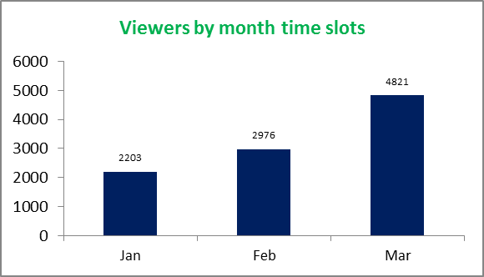
Row Labels | Count of SA_Time
3 AM | 692
4 AM | 676
5 AM | 742
6 AM | 808
7 AM | 945
8 AM | 1023
9 AM | 987
10 AM | 1039
11 AM | 903
12 PM | 814
1 PM | 671
2 PM | 700
Grand Total | 10000

viewership pr age group
Viewership per age group
% Split & Age count viewership
Row Labels | Count of Age | % split
20-39 | 6885 | 68.9%
40-59 | 2216 | 22.2%
0-19 | 795 | 8.0%
60-79 | 91 | 0.9%
100-119 | 12 | 0.1%
80-99 | 1 | 0.0%
Grand Total | 10000

Age group | Age count | % Split
20-39 | 6885 | 69%
40-59 | 2216 | 22%
0-19 | 795 | 8%
60-79 | 91 | 1%
100-119 | 12 | 0%
80-99 | 1 | 0%

provinces
Province viewership
%Split by Province
Gauteng | 36.5%
Western Cape | 18.5%
Kwazulu Natal | 10.0%
Mpumalanga | 9.2%
Limpopo | 7.6%
Eastern Cape | 6.9%
North West | 3.4%
Free State | 2.9%
Unknown | 2.6%
Northern Cape | 2.3%
Row Labels | Count of Province
Gauteng | 3654
Western Cape | 1845
Kwazulu Natal | 1001
Mpumalanga | 918
Limpopo | 763
Eastern Cape | 690
North West | 344
Free State | 292
Unknown | 263
Northern Cape | 230
Grand Total | 10000

Gauteng | 36.5%
Western Cape | 18.5%
Kwazulu Natal | 10.0%
Mpumalanga | 9.2%
Limpopo | 7.6%
Eastern Cape | 6.9%
North West | 3.4%
Free State | 2.9%
Unknown | 2.6%
...

time viewership
Row Labels | Count of Time_viewership
01.Early Morning | 3994
02.Mid Morning | 2388
03.Afternoon | 700
05.Night | 2918
Grand Total | 10000

age group
Age group bucket
Row Labels | Count of Age_group_buckets
02.Young Adults | 4004
03.Adults | 4455
04.Mid Adults | 917
05.Senior Adults | 70
06.Older Adults | 554
Grand Total | 10000

time by age by viewers
Totals by time viewers vs age
 | Total
0-19 | 318
20-39 | 2746
40-59 | 884
60-79 | 41
100-119 | 5
0-19 | 196
20-39 | 1684
40-59 | 486
60-79 | 18
100-119 | 4
0-19 | 63
20-39 | 499
40-59 | 129
60-79 | 8
100-119 | 1
0-19 | 218
20-39 | 1956
40-59 | 717
60-79 | 24
80-99 | 1
100-119 | 2
Row Labels | Count of Time_viewership
01.Early Morning | 3994
0-19 | 318
20-39 | 2746
40-59 | 884
60-79 | 41
100-119 | 5
02.Mid Morning | 2388
0-19 | 196
20-39 | 1684
40-59 | 486
60-79 | 18
100-119 | 4
03.Afternoon | 700
0-19 | 63
20-39 | 499
40-59 | 129
60-79 | 8
100-119 | 1
05.Night | 2918
0-19 | 218
20-39 | 1956
40-59 | 717
...

race & age group
Total by race vs age group buckets
 | Total
02.Young Adults | 1848
03.Adults | 1987
04.Mid Adults | 352
05.Senior Adults | 22
06.Older Adults | 122
02.Young Adults | 644
03.Adults | 761
04.Mid Adults | 188
05.Senior Adults | 5
06.Older Adults | 35
02.Young Adults | 686
03.Adults | 730
04.Mid Adults | 92
05.Senior Adults | 5
06.Older Adults | 62
02.Young Adults | 33
03.Adults | 56
04.Mid Adults | 3
06.Older Adults | 10
02.Young Adults | 292
03.Adults | 380
04.Mid Adults | 103
05.Senior Adults | 11
06.Older Adults | 281
02.Young Adults | 501
03.Adults | 541
04.Mid Adults | 179
05.Senior Adults | 27
06.Older Adults | 44

Row Labels | Count of Age_group_buckets
black | 4331
02.Young Adults | 1848
03.Adults | 1987
04.Mid Adults | 352
05.Senior Adults | 22
06.Older Adults | 122
coloured | 1633
02.Young Adults | 644
03.Adults | 761
04.Mid Adults | 188
05.Senior Adults | 5
06.Older Adults | 35
indian_asian | 1575
02.Young Adults | 686
03.Adults | 730
04.Mid Adults | 92
05.Senior Adults | 5
06.Older Adults | 62
Other | 102
02.Young Adults | 33
03.Adults | 56
04.Mid Adults | 3
06.Older Adults | 10
...

Dash page 1
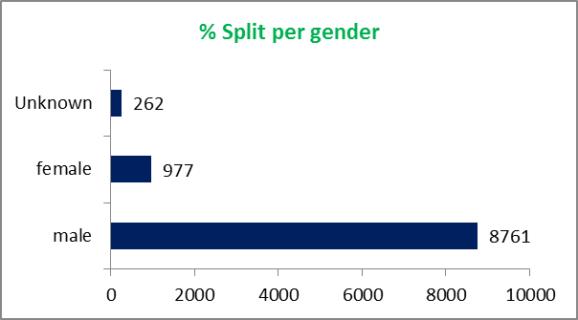
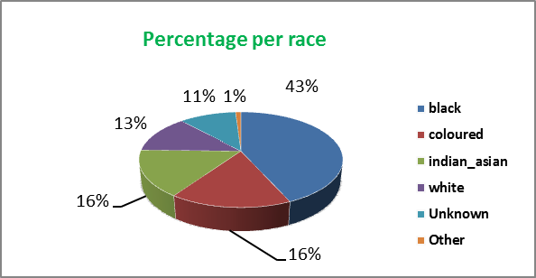
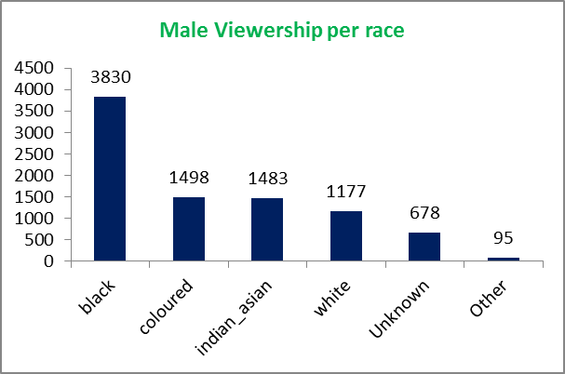
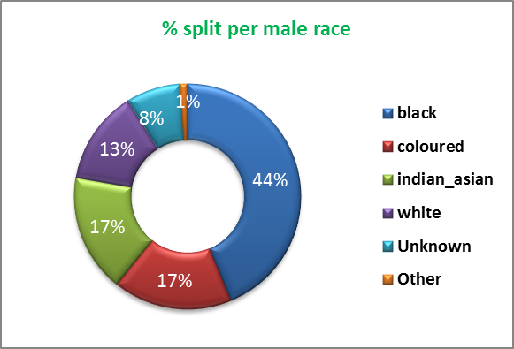
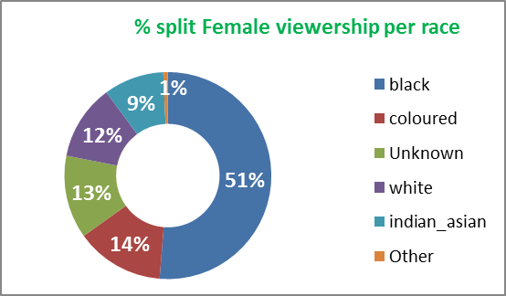
BRIGHT TV VIEWERSHIP DASHBOARD -PAGE1

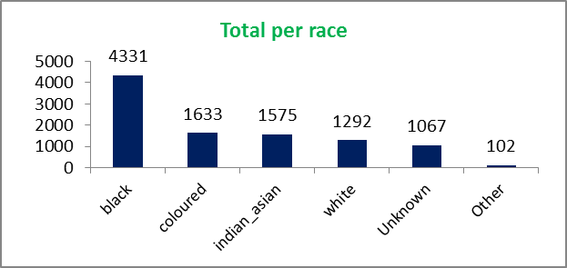
Viewers by month time slots
 | Total
3 AM | 692
4 AM | 676
5 AM | 742
6 AM | 808
7 AM | 945
8 AM | 1023
9 AM | 987
10 AM | 1039
11 AM | 903
12 PM | 814
1 PM | 671
2 PM | 700
% Split & Age count viewership
20-39 | 69% | 6885
40-59 | 22% | 2216
0-19 | 8% | 795
60-79 | 1% | 91
100-119 | 0% | 12
80-99 | 0% | 1

Dash page 2
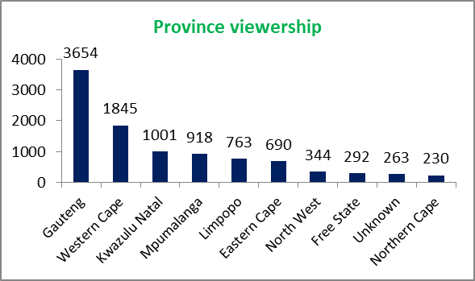
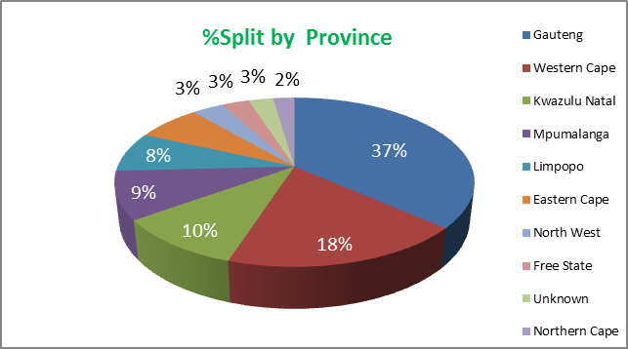
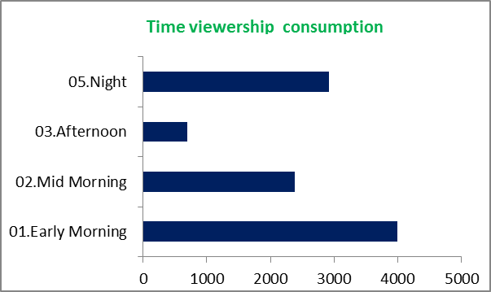
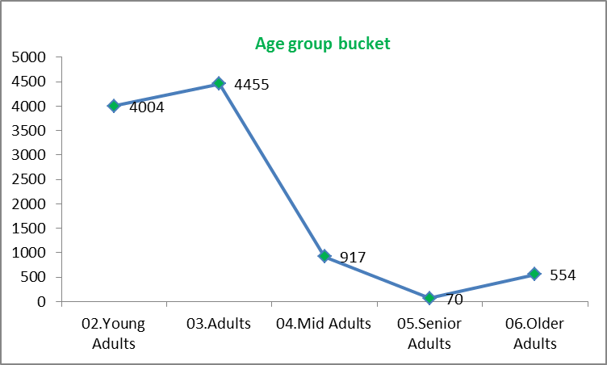
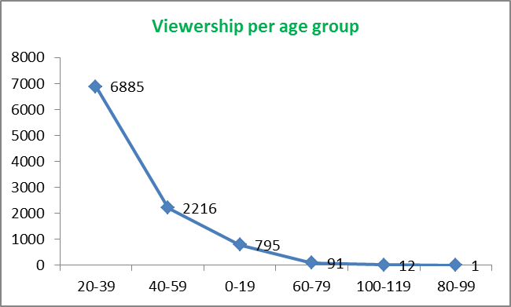
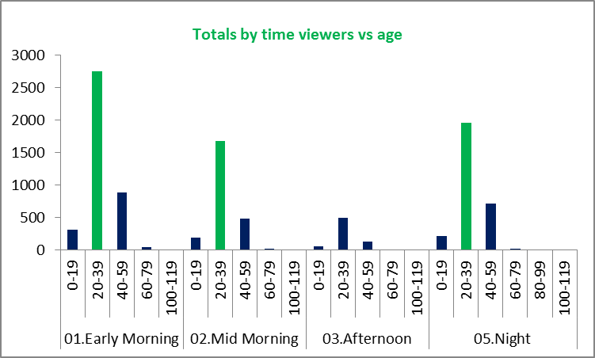
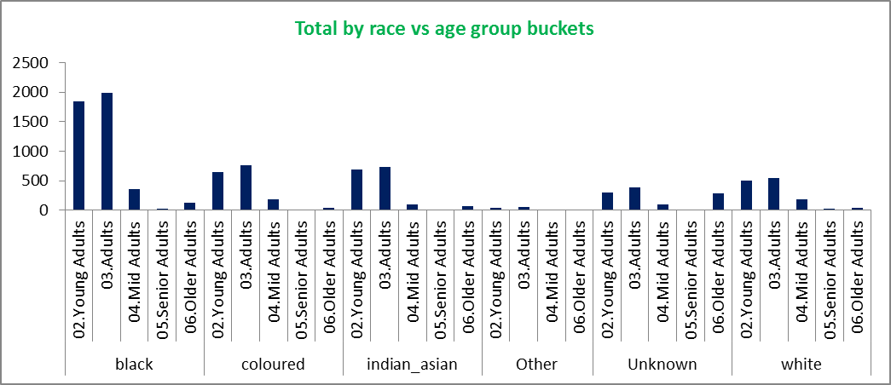
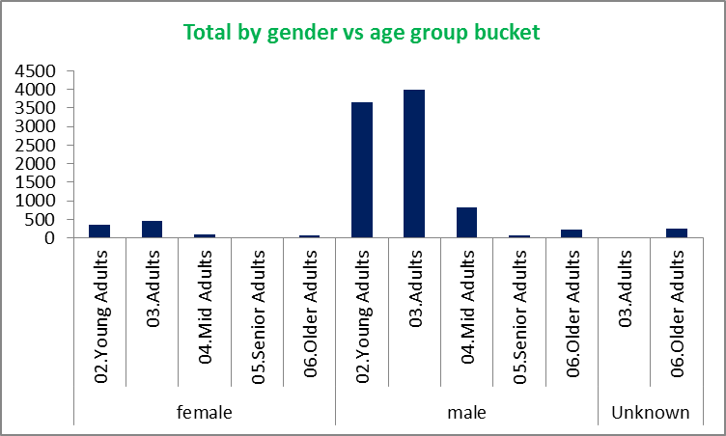
BRIGHT TV VIEWERSHIP DASHBOARD -PAGE 2

Sheet14
Total by gender vs age group bucket
Row Labels | Count of Age_group_buckets
female | 977
02.Young Adults | 361
03.Adults | 453
04.Mid Adults | 87
05.Senior Adults | 7
06.Older Adults | 69
male | 8761
02.Young Adults | 3643
03.Adults | 3999
04.Mid Adults | 830
05.Senior Adults | 63
06.Older Adults | 226
Unknown | 262
03.Adults | 3
06.Older Adults | 259
Grand Total | 10000

